Menu
2025-12-06
 |  |  | If you wish to subscribe - email
 |  |  | isaac.gottlieb@gmail.com |  |  | or
 | MENU: Click on the Link:
 |  |  |  | Send me your questions!
 |  |  |  | This is how I generate
1 | Round to the next 15 minutes |  |  | ideas for the tips

2 | Format hours more than 1 day/over 24 hours

3 | Use the text above to enter more data - Data Entry

4 | Two ways for Paste Special

5 | How to recover unsaved excel file? |  |  |  | For recent tips see:
 |  |  |  |  | Tip of the month
6 | Adding a month and year column
Back to Main Menu
 |  | Use this button to go

1

Round to 15 minutes
 | Time worked | Undestanding time Part of the day | Rounded to 1/4 hour
Employee 1 | 6:37:00 | 0.276 | 6:30:00 | =ROUND(B2*96,0)/96
Employee 2 | 8:11:00 | 0.341 | 8:15:00
Employee 3 | 14:01:08 | 0.584 | 14:00:00
Employee 4 | 8:13:17 | 0.343 | 8:15:00
Employee 5 | 2:13:24 | 0.093 | 2:15:00
Employee 6 | 11:49:38 | 0.493 | 11:45:00
Employee 7 | 2:19:44 | 0.097 | 2:15:00
Employee 8 | 0:56:35 | 0.039 | 1:00:00
Employee 9 | 0:20:05 | 0.014 | 0:15:00
Employee 10 | 7:25:04 | 0.309 | 7:30:00
Employee 11 | 12:30:16 | 0.521 | 12:30:00
Employee 12 | 7:09:29 | 0.298 | 7:15:00
One Hour | 1:00:00 | 0.04167 | 1:00:00
One Hour | 1:00:00 | 0.041666666667 | 1:00:00
Quarter hour | 0:15:00 | 0.010416666667 | 0:15:00

Back to Main Menu

Format hours more than 24 hours
Hours Worked
 | Sun | Mon | Tue | Wed | Thu | Total Not Correct | Total Corrected
Employee 1 | 9:51:18 | 4:23:21 | 8:53:21 | 6:57:48 | 6:53:31 | 1900-01-01 12:59:19 | 36:59:19
Employee 2 | 4:50:00 | 8:40:31 | 4:01:08 | 6:15:42 | 8:51:02 | 1900-01-01 08:38:23 | 32:38:23
Employee 3 | 8:30:07 | 9:52:49 | 9:50:30 | 9:17:00 | 9:43:14 | 1900-01-01 23:13:39 | 47:13:40
Employee 4 | 5:41:16 | 7:38:06 | 8:17:49 | 8:10:43 | 5:35:53 | 1900-01-01 11:23:47 | 35:23:48
Employee 5 | 6:21:48 | 8:55:39 | 4:09:09 | 8:38:11 | 7:02:36 | 1900-01-01 11:07:22 | 35:07:22
Employee 6 | 7:08:01 | 9:47:24 | 5:46:27 | 9:47:03 | 8:19:29 | 1900-01-01 16:48:24 | 40:48:25
Employee 7 | 4:04:49 | 5:43:37 | 4:41:24 | 7:34:12 | 9:04:49 | 1900-01-01 07:08:51 | 31:08:51
Employee 8 | 5:13:03 | 7:36:05 | 6:10:51 | 8:16:42 | 4:34:48 | 1900-01-01 07:51:28 | 31:51:29
Employee 9 | 8:51:02 | 6:19:05 | 9:18:46 | 9:07:09 | 8:20:11 | 1900-01-01 17:56:12 | 41:56:12
Employee 10 | 7:27:59 | 5:45:27 | 5:41:12 | 8:45:38 | 7:08:10 | 1900-01-01 10:48:26 | 34:48:26
Employee 11 | 8:52:26 | 9:54:16 | 5:20:46 | 7:50:03 | 6:23:55 | 1900-01-01 14:21:25 | 38:21:26
Employee 12 | 9:56:38 | 6:04:46 | 6:13:16 | 9:20:55 | 6:12:38 | 1900-01-01 13:48:12 | 37:48:12
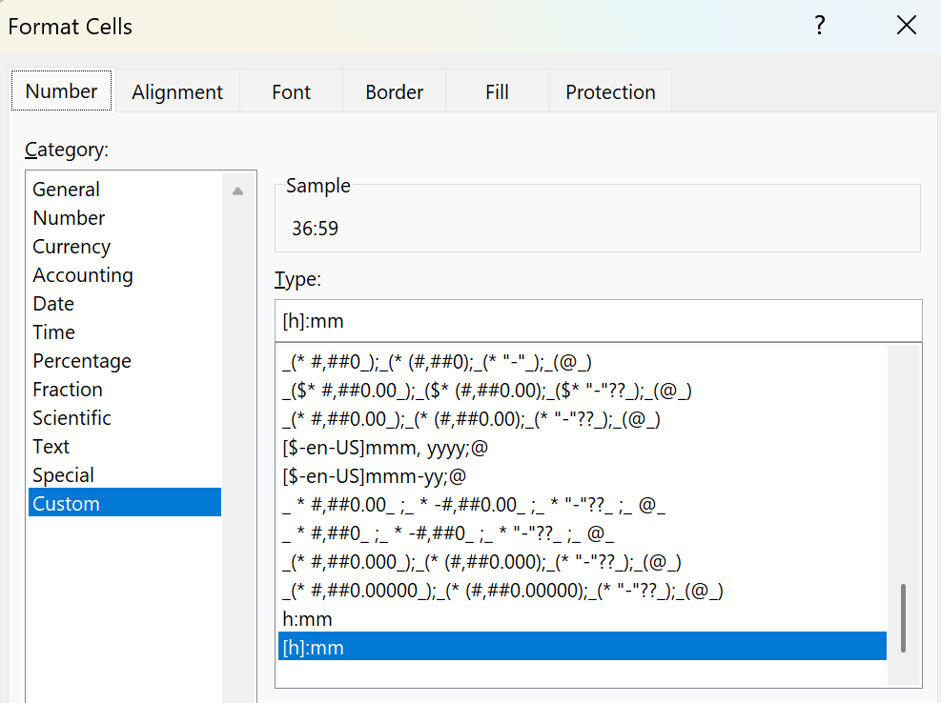

Back to Main Menu

Use the text above
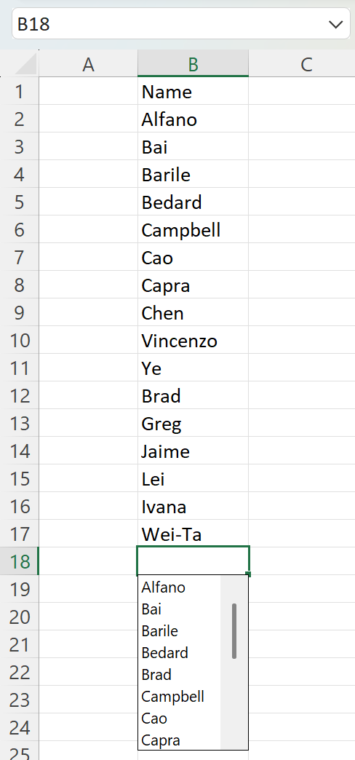
Use the text above to enter more data - Data Entry
To use the list above use ALT+↓ (Alt+ Arrow Down)
It will not pick up the header (Name)
Name
Alfano
Bai
Barile
Bedard
Campbell
Cao
Capra
Chen
Vincenzo
Ye
Brad
Greg
Jaime
Lei
Ivana
Wei-Ta

Back to Main Menu

Two ways for Paste Special
5

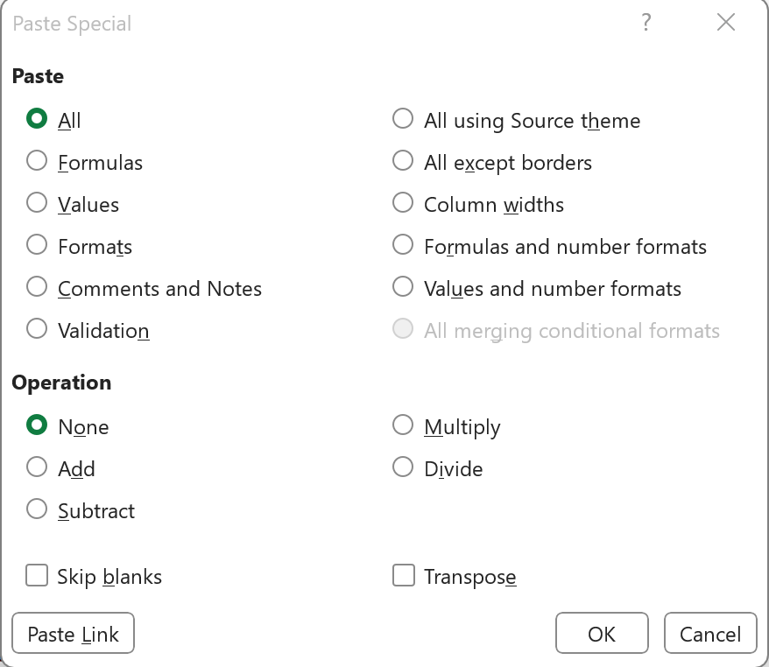

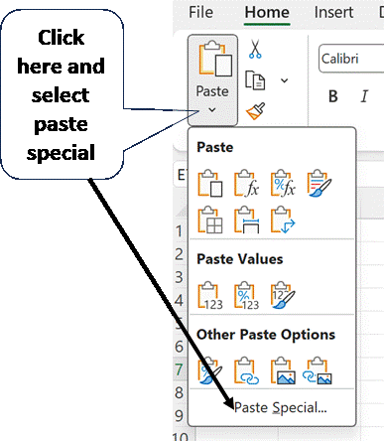

Back to Main Menu

Recover Unsaved Files
How to recover unsaved excel file?
You can go to
File>Open
Look at the bottom of the list

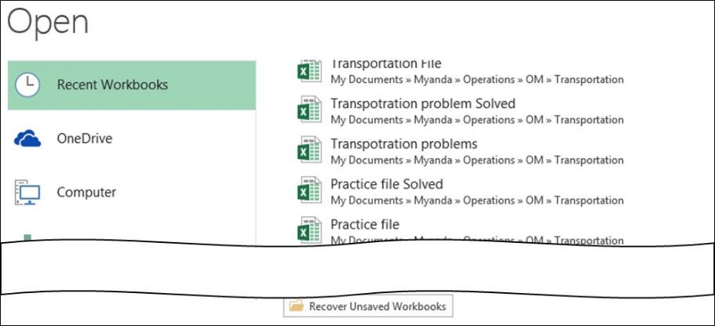

Back to Main Menu

Adding a month and year coulmn
Adding a month and year column
If you have data and you need to get an extra column for month and year, if you use a pivot or other summation features like subtotal.
Use the =EOMONTH(A2,0) and you will be able to utilize it.
Date | Month and year
2017-04-03 | Apr-17 | =EOMONTH(A2,0)
2016-02-18 | Feb-16
2015-01-17 | Jan-15
2015-05-17 | May-15
2015-08-06 | Aug-15
2015-10-21 | Oct-15
2015-05-20 | May-15
2014-11-19 | Nov-14
2015-10-29 | Oct-15
2016-01-18 | Jan-16
2015-11-18 | Nov-15
2016-02-17 | Feb-16
2015-11-11 | Nov-15
2015-05-09 | May-15
2016-04-25 | Apr-16
2016-04-08 | Apr-16
2016-11-22 | Nov-16
2016-12-11 | Dec-16
2015-03-20 | Mar-15
2015-04-07 | Apr-15
2015-08-25 | Aug-15
2014-08-23 | Aug-14
2016-08-22 | Aug-16
2014-07-15 | Jul-14
2016-01-06 | Jan-16
2016-04-06 | Apr-16
2015-05-10 | May-15
Back to Main Menu
2015-01-12 | Jan-15
2017-03-22 | Mar-17
2014-10-23 | Oct-14
2016-05-30 | May-16
2015-03-11 | Mar-15
2016-07-09 | Jul-16
2015-06-27 | Jun-15
2015-10-20 | Oct-15
2016-11-14 | Nov-16
2016-12-05 | Dec-16
2017-02-18 | Feb-17
2016-05-23 | May-16
2015-01-07 | Jan-15
2015-02-04 | Feb-15
2015-01-11 | Jan-15
2014-09-06 | Sep-14
2016-10-09 | Oct-16
2014-07-10 | Jul-14
2015-07-28 | Jul-15
2015-08-22 | Aug-15
2015-12-22 | Dec-15
2015-02-17 | Feb-15
2015-07-04 | Jul-15
2015-01-28 | Jan-15
2016-05-07 | May-16
2016-07-12 | Jul-16
2017-03-23 | Mar-17
2015-08-08 | Aug-15
2016-02-09 | Feb-16
2016-10-01 | Oct-16
2016-05-09 | May-16
2015-11-14 | Nov-15
2015-11-03 | Nov-15
2014-12-02 | Dec-14
2016-04-28 | Apr-16

