Leading zeros
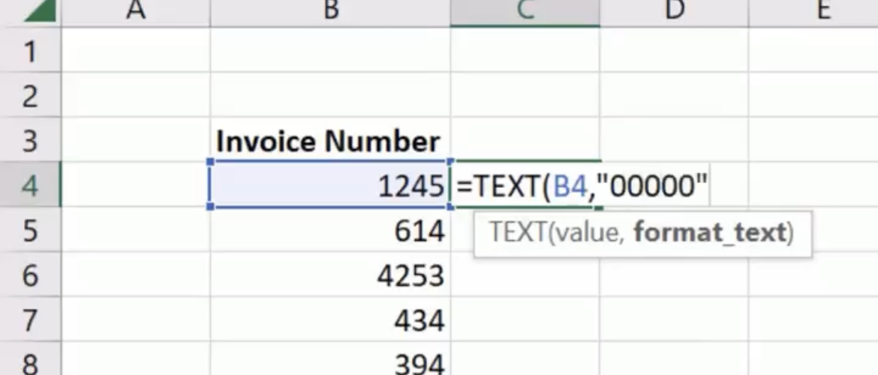
2345 | 02345 | =TEXT(B4,"00000")
71234 | 71234 | =TEXT(B5,"00000")
1 | 00001 | =TEXT(B6,"00000")
55 | 00055 | =TEXT(B7,"00000")
340 | 00340 | =TEXT(B8,"00000")
1342 | 01342 | =TEXT(B9,"00000")

Use the FORECAST function
 |  | Month | Actual Data | Forecast
 |  | 1 | 38,999 | 41,116.90
 |  | 2 | 43,948 | 42,851.28
 | Insert Data | 3 | 48,643 | 44,585.65
 |  | 4 | 43,390 | 46,320.02 |  | Compare to actual
 |  | 5 | 47,945 | 48,054.39
 |  | 6 | 49,792 | 49,788.76
 |  | 7 |  | 51,523.13
 |  | 8 |  | 53,257.50 |  | Future Forecast
 |  | 9 |  | 54,991.88

 |  |  |  |  | =FORECAST(E10,$F$4:$F$9,$E$4:$E$9)

Forecast Model
 | Actual Data | Forecast
1 | 38,999 | 41,116.90
2 | 43,948 | 42,851.28
3 | 48,643 | 44,585.65
4 | 43,390 | 46,320.02
5 | 47,945 | 48,054.39
6 | 49,792 | 49,788.76
7 |  | 51,523.13
8 |  | 53,257.50
9 |  | 54,991.88

Straight Line Regression Forecasting
Using actual data to forecast we can use the FORECAST function to estimate future values.

Back to Main Menu

37

