Offset
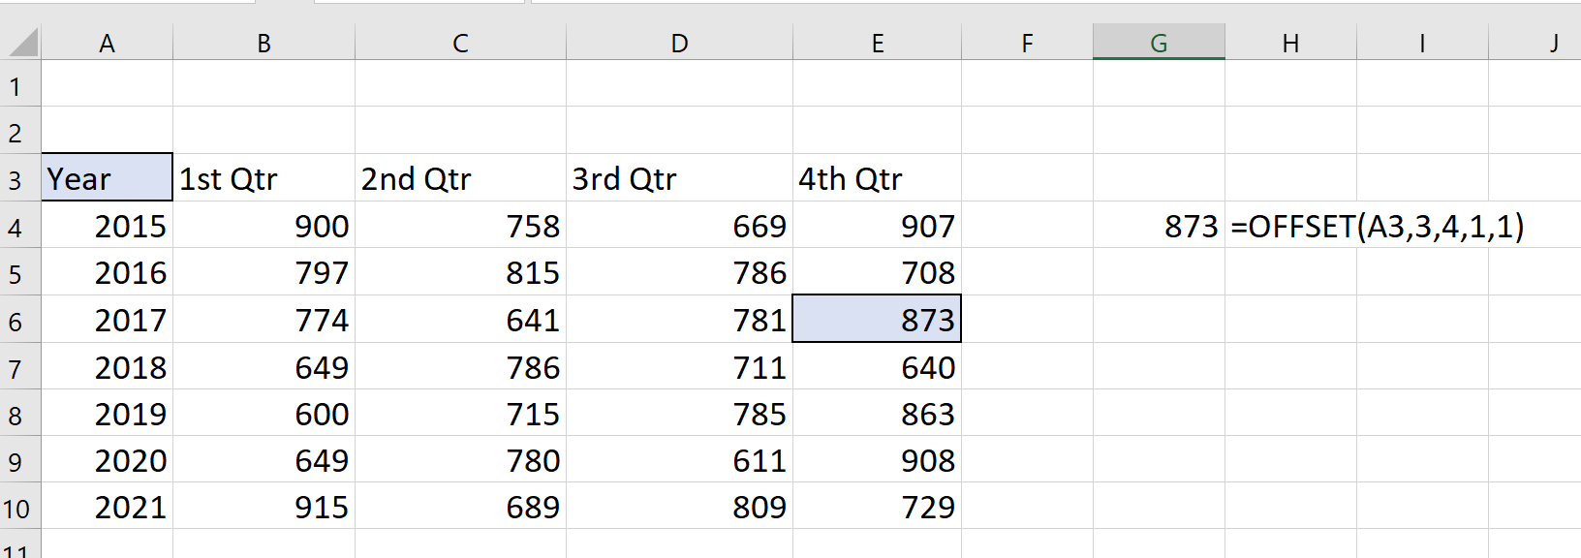
Year | 1st Qtr | 2nd Qtr | 3rd Qtr | 4th Qtr
2015 | 900 | 758 | 669 | 709 | 873 | =OFFSET(A3,3,4,1,1)
2016 | 797 | 815 | 786 | 708
2017 | 774 | 641 | 781 | 873
2018 | 649 | 786 | 711 | 640
2019 | 600 | 715 | 785 | 683
2020 | 649 | 780 | 611 | 908
2021 | 915 | 689 | 809 | 729

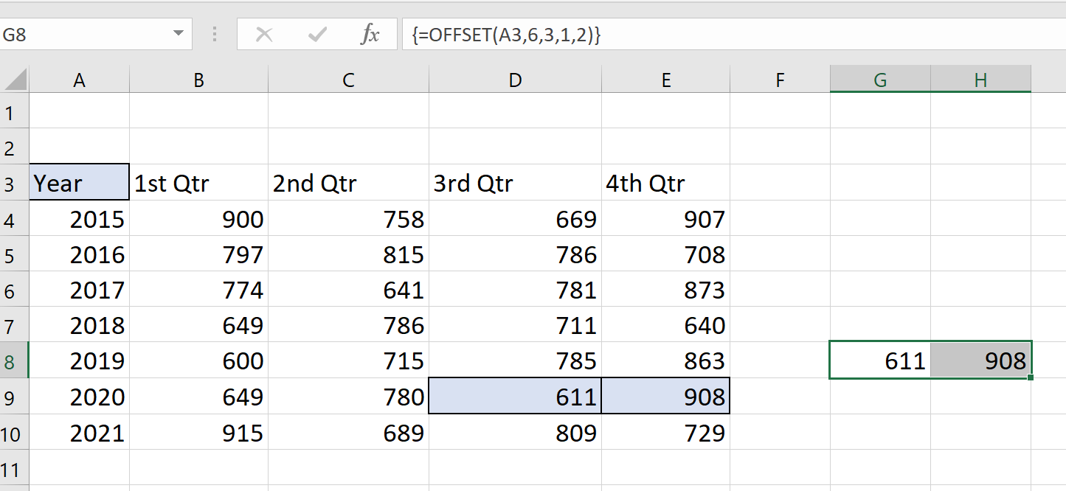

Back to Main Menu

Time Problem
Time
 | Starting Time | Ending Time | Time
 | 11:00:00 | 20:40:00 | 9:40:00 | =F3-E3
 | 17:00:00 | 1:00:00 | -16:00:00 | =F4-E4
 | 8:30:00 | 16:30:00 | 8:00:00 | =F5-E5
 | 22:00:00 | 18:15:00 | -3:45:00 | =F6-E6

 | Starting Time | Ending Time | Time
 | 11:00:00 | 20:40:00 | 9:40:00 | =IF(F11<E11,F11+1-E11,F11-E11)
 | 17:00:00 | 1:00:00 | 8:00:00 | =IF(F12<E12,F12+1-E12,F12-E12)
 | 8:30:00 | 16:30:00 | 8:00:00 | =IF(F13<E13,F13+1-E13,F13-E13)
 | 22:00:00 | 18:15:00 | 20:15:00 | =IF(F14<E14,F14+1-E14,F14-E14)

Back to Main Menu

Date Query
1) How can I write the formula to return the correct date for the following condition?
If date is before 15th of current month, show 15th of current month else show 15th of following month

 | Input date | Expected result
 | 12-Apr-21 | 15-Apr-21 | 15-Apr-21 | =IF(DAY(B6)<15,DATE(YEAR(B6),MONTH(B6),15),DATE(YEAR(B6),MONTH(B6)+1,15))
 | 18-Apr-21 | 15-May-21 | 15-May-21 | =IF(DAY(B7)<15,DATE(YEAR(B7),MONTH(B7),15),DATE(YEAR(B7),MONTH(B7)+1,15))
 |  |  |  | If the day in the month is less that 15 use this month otherwise use next month

2) How to derive 15th of the second month from the date

 | Input date | Expected result
 | 12-Apr-21 | 15-Jun-21 | 15-Jun-21 | =DATE(YEAR(B13),MONTH(B13)+2,15)
 | 25-Jun-21 | 15-Aug-21 | 15-Aug-21 | =DATE(YEAR(B14),MONTH(B14)+2,15)
 |  |  |  | Always add 2 to the month

 | 4-Dec-21 |  | 15-Feb-22 | =DATE(YEAR(B18),MONTH(B18)+2,15)

Back to Main Menu

Very Hidden Sheets
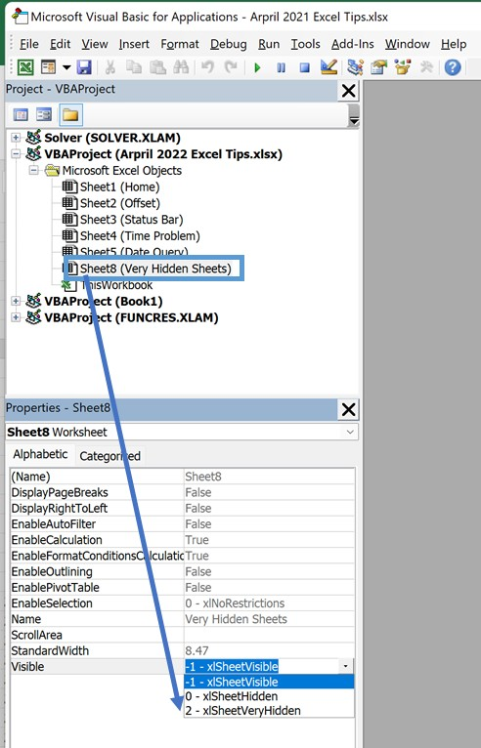

Back to Main Menu

