Home
 | Click | Contents
1 | Link Textbox, Object to a Cell
2 | File or Sheet Name
Back to Main Menu
3 | The number of times the Mode Appears
4 | Exact Copy
5 | Copy a Sheet
6 | Month Name

 | Find the document

 | https://isaacgottlieb.com/excel-tips/

 |  | isaacgottlieb@gmail.com

Link Textbox, Object to a Cell
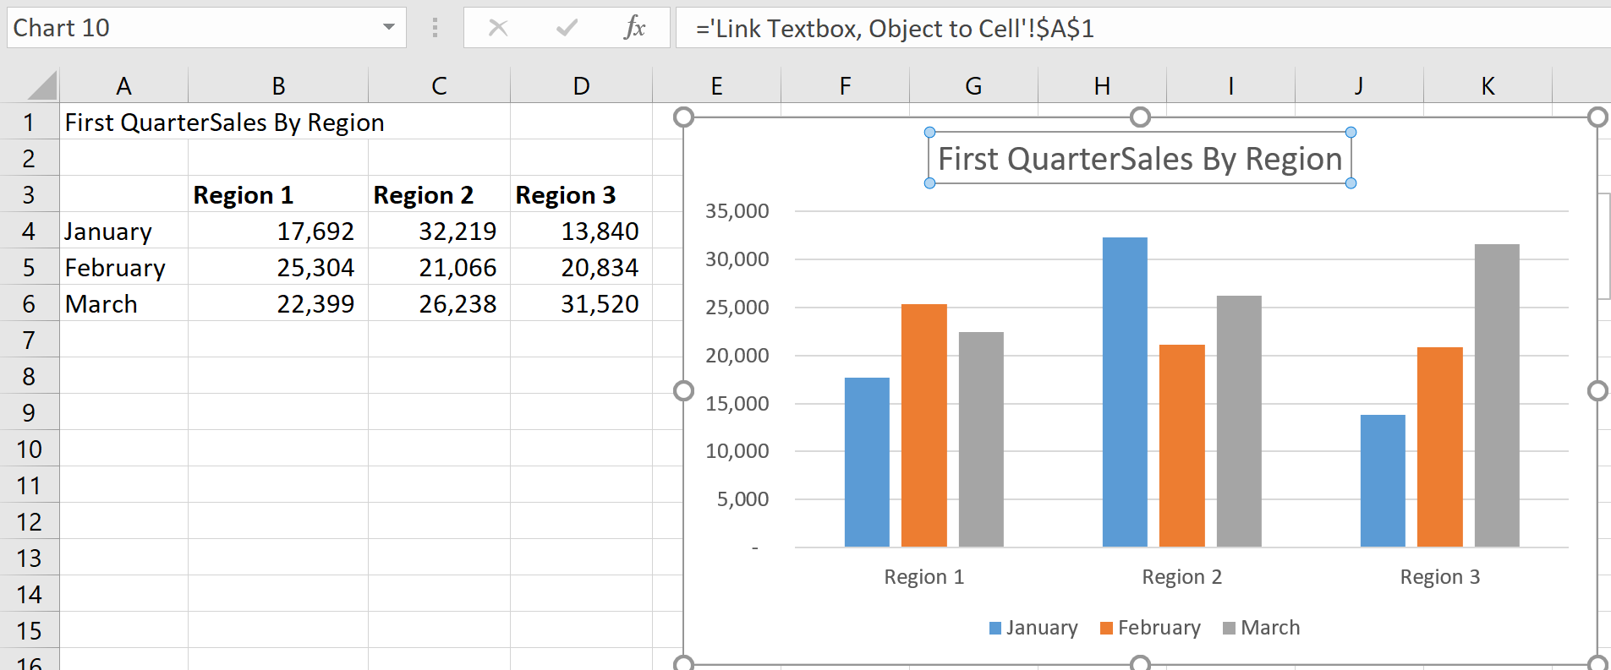
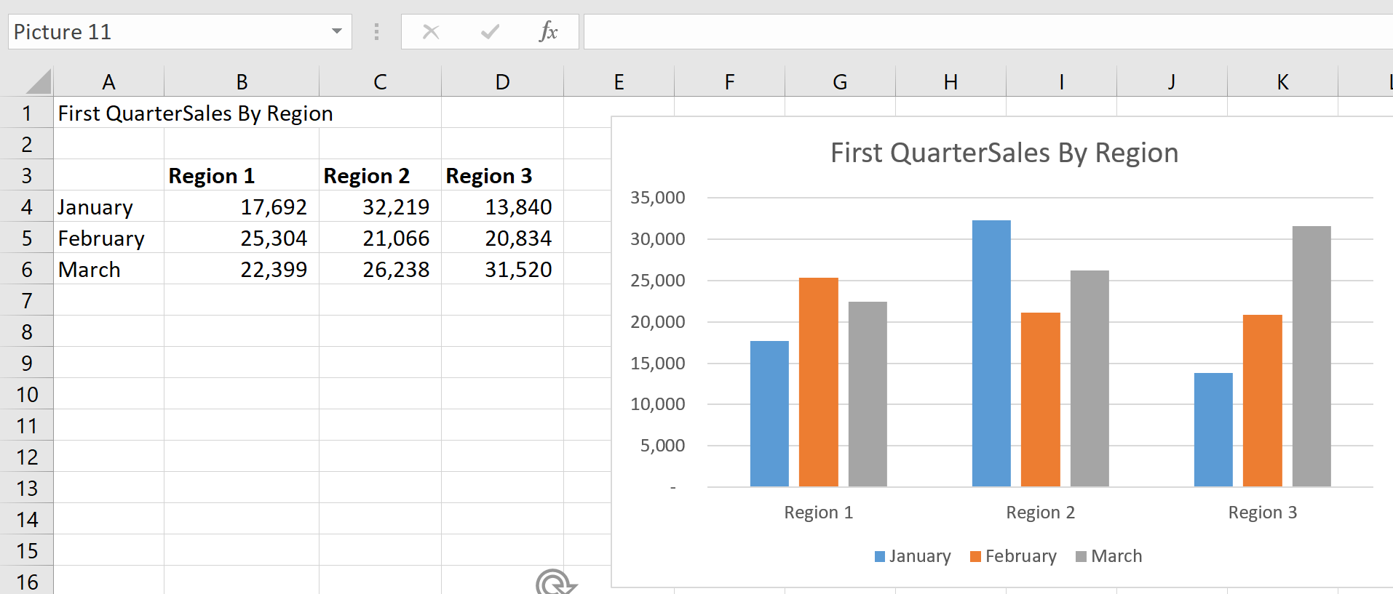
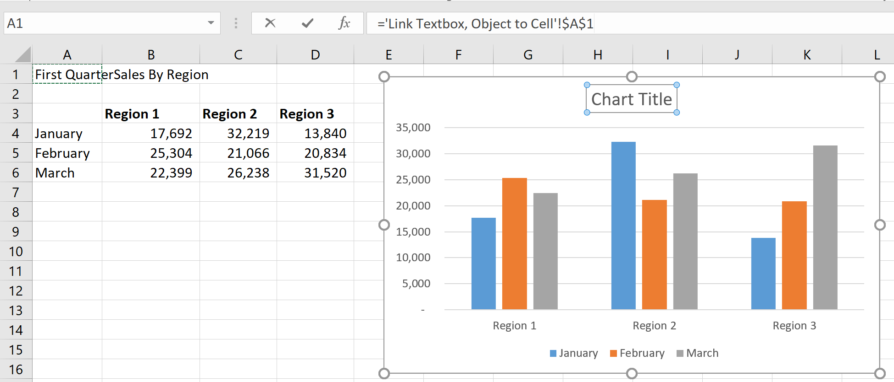
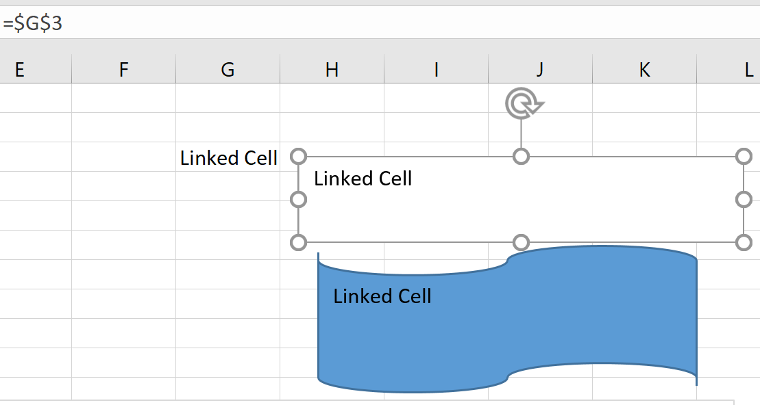
First QuarterSales By Region
Linked Cell
Linking Cells to a Textbox or Object
Select the textbox or object
In the Formula bar, create a link to a cell by typing = and then selecting the cell
The contents of the cell are displayed in the Text Box or Object
=$G$3
Linked Cell
 | Region 1 | Region 2 | Region 3 | Linked Cell
January | 17,692 | 32,219 | 13,840
February | 25,304 | 21,066 | 20,834
March | 22,399 | 26,238 | 31,520

First QuarterSales By Region
Back to Main Menu

File or Sheet Name
=CELL("filename",$A$1) | C:\Users\Isaacg\Documents\Excel Tips\Email\Feb 2022\[Excel Tips Feb 2022.xlsx]File or Sheet Name

 | Excel Tips Feb 2022.xlsx |  | =MID(E1,FIND("[",E1)+1,FIND("]",E1)-FIND("[",E1)-1)

 | File or Sheet Name |  | =RIGHT(E1,LEN(E1)-FIND("]",E1))

Back to Main Menu
 | 96 | =LEN(E1)
 | 53 | =FIND("[",E1)
 | 78 | =FIND("]",E1)

Frequeny the Mode Appears
Dates |  | Numbers
2022-02-11 |  | 6
2022-02-11 | 42 | 6 | 24
2022-02-12 | 42 | 6 | 24
2022-02-13 | 210 | 4 | 200
2022-02-14 | 2022-02-15 | 5 | 2
2022-02-15 |  | 1 |  | How Many Times The Mode Appears
2022-02-11 |  | 10
2022-02-17 |  | 3
2022-02-18 |  | 2
2022-02-19 |  | 3
Back to Main Menu
2022-02-20 |  | 3
2022-02-21 |  | 7
2022-02-22 |  | 3
2022-02-15 |  | 4
2022-02-15 |  | 6
2022-02-15 |  | 1
2022-02-15 |  | 5
2022-02-15 |  | 10
2022-02-15 |  | 7
2022-02-11 |  | 5
2022-02-12 |  | 8
2022-02-13 |  | 2
2022-02-14 |  | 8
2022-02-15 |  | 2
2022-02-11 |  | 6
2022-02-17 |  | 4
2022-02-18 |  | 10
2022-02-19 |  | 1
2022-02-20 |  | 5
2022-02-21 |  | 2
2022-02-22 |  | 3
2022-02-15 |  | 2
2022-02-15 |  | 8
2022-02-15 |  | 3
2022-02-15 |  | 8
2022-02-15 |  | 3
2022-02-15 |  | 9
2022-02-11 |  | 7
2022-02-12 |  | 6
2022-02-13 |  | 9
2022-02-14 |  | 4
2022-02-15 |  | 4
2022-02-11 |  | 10
2022-02-17 |  | 3
2022-02-18 |  | 4
2022-02-19 |  | 5
2022-02-20 |  | 9
2022-02-21 |  | 1
2022-02-22 |  | 6
2022-02-15 |  | 5
2022-02-15 |  | 10
2022-02-15 |  | 8
2022-02-15 |  | 8
2022-02-15 |  | 9
2022-02-15 |  | 5
2022-02-11 |  | 10
2022-02-12 |  | 2
2022-02-13 |  | 9
2022-02-14 |  | 5
2022-02-15 |  | 7
2022-02-11 |  | 5
2022-02-17 |  | 1
2022-02-18 |  | 2
2022-02-19 |  | 9
2022-02-20 |  | 6
2022-02-21 |  | 7
2022-02-22 |  | 4
2022-02-15 |  | 7
2022-02-15 |  | 7
2022-02-15 |  | 2
2022-02-15 |  | 6
2022-02-15 |  | 1
2022-02-15 |  | 1
2022-02-11 |  | 5
2022-02-12 |  | 3
2022-02-13 |  | 3
2022-02-14 |  | 7
2022-02-15 |  | 3
2022-02-11 |  | 7
2022-02-17 |  | 6
2022-02-18 |  | 3
2022-02-19 |  | 7
2022-02-20 |  | 9
2022-02-21 |  | 7
2022-02-22 |  | 1
2022-02-15 |  | 2
2022-02-15 |  | 8
2022-02-15 |  | 4
2022-02-15 |  | 10
2022-02-15 |  | 7
2022-02-15 |  | 4
2022-02-11 |  | 9
2022-02-12 |  | 8
2022-02-13 |  | 5
2022-02-14 |  | 9
2022-02-15 |  | 1
2022-02-11 |  | 2
2022-02-17 |  | 1
2022-02-18 |  | 10
2022-02-19 |  | 4
2022-02-20 |  | 2
2022-02-21 |  | 7
2022-02-22 |  | 7
2022-02-15 |  | 4
2022-02-15 |  | 8
2022-02-15 |  | 4
2022-02-15 |  | 7
2022-02-15 |  | 4
2022-02-15 |  | 1
2022-02-16 |  | 9
2022-02-17 |  | 3
2022-02-18 |  | 4
2022-02-19 |  | 10
2022-02-20 |  | 2
2022-02-21 |  | 3
2022-02-22 |  | 2
2022-02-23 |  | 7
2022-02-24 |  | 4
2022-02-25 |  | 7
2022-02-26 |  | 3
2022-02-27 |  | 9
2022-02-28 |  | 9
2022-03-01 |  | 6
2022-03-02 |  | 9
2022-03-03 |  | 5
2022-03-04 |  | 2
2022-03-05 |  | 9
2022-03-06 |  | 5
2022-03-07 |  | 1
2022-03-08 |  | 7
2022-03-09 |  | 2
2022-03-10 |  | 8
2022-03-11 |  | 8
2022-03-12 |  | 10
2022-03-13 |  | 10
2022-03-14 |  | 10
2022-03-15 |  | 3
2022-03-16 |  | 5
2022-03-17 |  | 5
2022-03-18 |  | 8
2022-03-19 |  | 10
2022-03-20 |  | 8
2022-03-21 |  | 6
2022-03-22 |  | 4
2022-03-23 |  | 2
2022-03-24 |  | 2
2022-03-25 |  | 10
2022-03-26 |  | 9
2022-03-27 |  | 5
2022-03-28 |  | 8
2022-03-29 |  | 3
2022-03-30 |  | 8
2022-03-31 |  | 7
2022-04-01 |  | 8
2022-04-02 |  | 2
2022-04-03 |  | 8
2022-04-04 |  | 5
2022-04-05 |  | 8
2022-04-06 |  | 1
2022-04-07 |  | 9
2022-04-08 |  | 2
2022-04-09 |  | 3
2022-04-10 |  | 7
2022-04-11 |  | 6
2022-04-12 |  | 1
2022-04-13 |  | 2
2022-04-14 |  | 3
2022-04-15 |  | 3
2022-04-16 |  | 8
2022-04-17 |  | 1
2022-04-18 |  | 10
2022-04-19 |  | 4
2022-04-20 |  | 8
2022-04-21 |  | 10
2022-04-22 |  | 5
2022-04-23 |  | 1
2022-04-24 |  | 4
2022-04-25 |  | 2
2022-04-26 |  | 7
2022-04-27 |  | 6
2022-04-28 |  | 9
2022-04-29 |  | 7
2022-04-30 |  | 8
2022-05-01 |  | 10
2022-05-02 |  | 10
2022-05-03 |  | 4
2022-05-04 |  | 7
2022-05-05 |  | 3
2022-05-06 |  | 8
2022-05-07 |  | 9
2022-05-08 |  | 3
2022-05-09 |  | 10
2022-05-10 |  | 4
2022-05-11 |  | 6
2022-05-12 |  | 2
2022-05-13 |  | 5
2022-05-14 |  | 2
2022-05-15 |  | 4
2022-05-16 |  | 6
2022-05-17 |  | 2
2022-05-18
2022-05-19
2022-05-20
2022-05-21
2022-05-22
2022-05-23
2022-05-24
2022-05-23
2022-05-24
2022-05-25

Exact copy
Numbers |  |  |  |  |  | Making an Exact Copy of a Range of
6 |  |  |  |  |  | Formulas
6 |  |  |  |  |  | Magical copy of functions and formulas keep the same reference
6 | Add first two | AAAB2+B3 | Add first two | 12 | =B2+B3
4 | Sum | AAASUM(B2:B10) | Sum | 43 | =SUM(B2:B10)
5 | Count | AAACOUNT(B2:B10) | Count | 9 | =COUNT(B2:B10)
1 | Average | AAAAVERAGE(B2:B10) | Average | 4.78 | =AVERAGE(B2:B10)
10 | Max | AAAMAX(B2:B10) | Max | 10 | =MAX(B2:B10)
3 | Min | AAAMIN(B2:B10) | Min | 1 | =MIN(B2:B10)
2

Back to Main Menu

Copy a Sheet
 | To create a copy of the sheet
1) | Select and hold the Sheet tab

2) | Hold the control button and drag the sheet tab
 | to the next sheet tab or the + sign to the right

3) | Drop it when you see a plus “+” sign.
Back to Main Menu

Month Name
11 | Nov | =TEXT(A1*28,"mmm")
7 | July | =TEXT(A2*28,"mmmm")
 |  |  | 1900-01-28 | 28 | =G3

Back to Main Menu

