FORMULA TEXT
2 | 3

FORMULATEXT
If you want to reveal/display the formulas to your viewers
Use FORMULATEXT(Cell)
11 | =IF(B1>C1,70,11)
 | =FORMULATEXT(B3)

1 | 1 | =B6^(ROW()) | =FORMULATEXT(C6)
2 | 128 | =B7^(ROW()) | =FORMULATEXT(C7)
3 | 6561 | =B8^(ROW()) | =FORMULATEXT(C8)
4 | 262144 | =B9^(ROW()) | =FORMULATEXT(C9)
3 | 59049 | =B10^(ROW()) | =FORMULATEXT(C10)
4 | 4194304 | =B11^(ROW()) | =FORMULATEXT(C11)
 | 4522187 | =SUM(C6:C11) | =FORMULATEXT(C12)
 | 7 | =B11+B10 | =FORMULATEXT(C13)

Back to Main Menu

Diagonal line
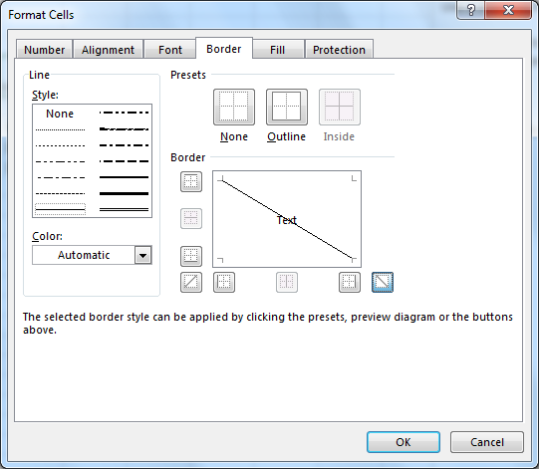
Use a diagonal line in a cell
You may want to have the information show in cell B8
I typed a few spaces, Day and ALT+ENTER to move the Hour down.
Use Format cells with the diagonal line

 | Staff Needed
Day Hour | Mon | Tue | Wed | Thu | Fri
9:00:00 | 10 | 7 | 9 | 7 | 10
10:00:00 | 10 | 5 | 8 | 7 | 6
11:00:00 | 7 | 7 | 5 | 8 | 7
12:00:00 | 5 | 7 | 5 | 9 | 7
13:00:00 | 6 | 9 | 9 | 8 | 9 | S
14:00:00 | 7 | 9 | 6 | 5 | 9
15:00:00 | 6 | 7 | 7 | 5 | 9
16:00:00 | 10 | 5 | 7 | 6 | 9
17:00:00 | 8 | 10 | 6 | 7 | 10
18:00:00 | 5 | 9 | 8 | 5 | 9
Back to Main Menu

Flash Fill
Flash Fill Works on Excel 2013 and 2016
Will recognize the pattern you want to apply
You type in the first cell
Use CTRL+E and it will fill the rest for you
Click on C2 and use CTRL+E
Click on H5 and use CTRL+E
Click on H24 and use CTRL+E

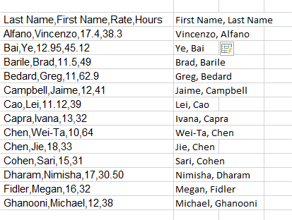

First name | Last Name
Alfano | Vincenzo | Vincenzo, Alfano
Bai | Ye
Barile | Brad |  | Last Name,First Name,Rate,Hours | Firstt & Last Name
Bedard | Greg |  | Alfano,Vincenzo,17.4,38.3 | Vincenzo Alfano
Campbell | Jaime |  | Bai,Ye,12.95,45.12 | Ye Bai
Cao | Lei |  | Barile,Brad,11.5,49 | Brad Barile
Capra | Ivana |  | Bedard,Greg,11,62.9 | Greg Bedard
Chen | Wei-Ta |  | Campbell,Jaime,12,41 | Jaime Campbell
Back to Main Menu
 |  |  | Cao,Lei,11.12,39 | Lei Cao
 |  |  | Capra,Ivana,13,32 | Ivana Capra
 |  |  | Chen,Wei-Ta,10,64 | Wei-Tat &
 |  |  | Chen,Jie,18,33 | Jie Chen
 |  |  | Cohen,Sari,15,31 | Sari Cohen
 |  |  | Dharam,Nimisha,17,30.50 | Nimisha Dharam
 |  |  | Fidler,Megan,16,32 | Megan Fidler
 |  |  | Ghanooni,Michael,12,38 | Michael Ghanooni

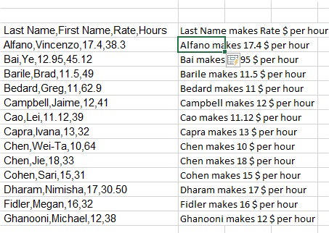
 |  |  | Last Name,First Name,Rate,Hours | TRY
 |  |  | Alfano,Vincenzo,17.4,38.3 | Vincenzo 17.4
 |  |  | Bai,Ye,12.95,45.12 | Ye 12.95
 |  |  | Barile,Brad,11.5,49 | Brad 11.5
 |  |  | Bedard,Greg,11,62.9 | Greg 11
 |  |  | Campbell,Jaime,12,41 | Jaime 12
 |  |  | Cao,Lei,11.12,39 | Lei 11.12
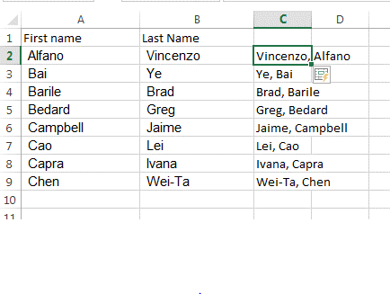
 |  |  | Capra,Ivana,13,32 | Ivana 13
 |  |  | Chen,Wei-Ta,10,64 | Wei-Ta 10
 |  |  | Chen,Jie,18,33 | Jie 18
 |  |  | Cohen,Sari,15,31 | Sari 15
 |  |  | Dharam,Nimisha,17,30.50 | Nimisha 17
 |  |  | Fidler,Megan,16,32 | Megan 16
 |  |  | Ghanooni,Michael,12,38 | Michael 12

 |  |  | Last Name,First Name,Rate,Hours | Initials
 |  |  | Alfano,Vincenzo,17.4,38.3 | V A
 |  |  | Bai,Ye,12.95,45.12 | Y B
 |  |  | Barile,Brad,11.5,49 | B B
 |  |  | Bedard,Greg,11,62.9 | G B
 |  |  | Campbell,Jaime,12,41 | J C
 |  |  | Cao,Lei,11.12,39 | L C
 |  |  | Capra,Ivana,13,32 | I C
 |  |  | Chen,Wei-Ta,10,64 | Wei-T C
 |  |  | Chen,Jie,18,33 | J C
 |  |  | Cohen,Sari,15,31 | S C
 |  |  | Dharam,Nimisha,17,30.50 | N D
 |  |  | Fidler,Megan,16,32 | M F
 |  |  | Ghanooni,Michael,12,38 | M G

Group and Outline
Group and Outline
When you want to group data and show or hide certain information. Click on a cell in the range:
Use: Data>Group> Auto Outline.
You can use the grouping feature to display as much as littlie information as you wish.
 | Dep 1 | Dep 2 | Dep 3 | Dep 4 | Dep 5 | Total
Jan | 11,344 | 10,844 | 11,122 | 10,930 | 10,570 | 54,810
Feb | 10,658 | 10,380 | 11,788 | 10,042 | 11,974 | 54,842
Mar | 11,416 | 10,692 | 11,668 | 11,310 | 11,392 | 56,478
Back to Main Menu
1st Qtr | 33,418 | 31,916 | 34,578 | 32,282 | 33,936 | 166,130
Apr | 10,994 | 10,660 | 10,484 | 10,114 | 11,654 | 53,906
May | 10,852 | 10,138 | 10,238 | 11,066 | 11,508 | 53,802
Jun | 11,594 | 11,416 | 10,784 | 11,850 | 10,032 | 55,676
2nd Qtr | 33,440 | 32,214 | 31,506 | 33,030 | 33,194 | 163,384
Jul | 11,742 | 11,854 | 10,540 | 10,070 | 11,828 | 56,034
Aug | 10,632 | 10,530 | 10,682 | 11,548 | 10,372 | 53,764
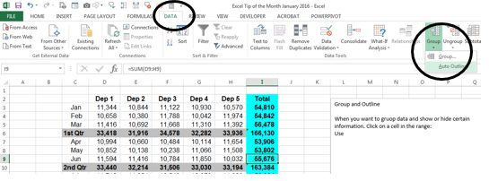
Sep | 11,992 | 11,094 | 10,786 | 10,200 | 10,928 | 55,000
3rd Qtr | 34,366 | 33,478 | 32,008 | 31,818 | 33,128 | 164,798
Oct | 11,464 | 11,952 | 10,516 | 10,692 | 10,320 | 54,944
Nov | 11,918 | 11,858 | 11,182 | 10,778 | 11,948 | 57,684
Dec | 11,524 | 10,326 | 11,196 | 10,112 | 11,364 | 54,522
4th Qtr | 69,812 | 68,272 | 65,788 | 63,164 | 67,264 | 167,150
Annual | 171,036 | 165,880 | 163,880 | 160,294 | 167,522 | 661,462

SUM Sheets
Sum through sheets
You may have projects, years or anything else on a number of sheets.
You can sum them into a summery sheet.
THIS sheets sums the four weeks payroll
Employee | Rate | Hours | Salary
BB1001 | 12 | 166 | 1,992.00
BB1002 | 14 | 131 | 1,834.00
BB1003 | 13 | 156 | 2,028.00
BB1004 | 16 | 138 | 2,208.00
BB1005 | 18 | 151 | 2,718.00
BB1006 | 21 | 146 | 3,066.00
=SUM(Week1:Week4!C2)
BB1007 | 17 | 140 | 2,380.00
BB1008 | 15 | 145 | 2,175.00
BB1009 | 16 | 137 | 2,192.00
BB1010 | 17 | 132 | 2,244.00
 |  |  | 22,837.00

Back to Main Menu

Week1
Employee | Rate | Hours | Salary
BB1001 | 12 | 42 | 504.00
BB1002 | 14 | 31 | 434.00
BB1003 | 13 | 43 | 559.00
BB1004 | 16 | 34 | 544.00
BB1005 | 18 | 44 | 792.00
BB1006 | 21 | 32 | 672.00
BB1007 | 17 | 34 | 578.00
BB1008 | 15 | 30 | 450.00
BB1009 | 16 | 40 | 640.00
BB1010 | 17 | 36 | 612.00
Back to Main Menu
 |  |  | 5,785.00

Week2
Employee | Rate | Hours | Salary
BB1001 | 12 | 36 | 432.00
BB1002 | 14 | 32 | 448.00
BB1003 | 13 | 31 | 403.00
BB1004 | 16 | 39 | 624.00
BB1005 | 18 | 30 | 540.00
BB1006 | 21 | 43 | 903.00
BB1007 | 17 | 37 | 629.00
BB1008 | 15 | 42 | 630.00
Back to Main Menu
BB1009 | 16 | 33 | 528.00
BB1010 | 17 | 30 | 510.00
 |  |  | 5,647.00

Week3
Employee | Rate | Hours | Salary
BB1001 | 12 | 44 | 528.00
BB1002 | 14 | 31 | 434.00
BB1003 | 13 | 38 | 494.00
BB1004 | 16 | 34 | 544.00
BB1005 | 18 | 39 | 702.00
BB1006 | 21 | 41 | 861.00
BB1007 | 17 | 30 | 510.00
BB1008 | 15 | 33 | 495.00
BB1009 | 16 | 30 | 480.00
Back to Main Menu
BB1010 | 17 | 31 | 527.00
 |  |  | 5,575.00

Week4
Employee | Rate | Hours | Salary
BB1001 | 12 | 44 | 528.00
BB1002 | 14 | 37 | 518.00
BB1003 | 13 | 44 | 572.00
BB1004 | 16 | 31 | 496.00
BB1005 | 18 | 38 | 684.00
BB1006 | 21 | 30 | 630.00
BB1007 | 17 | 39 | 663.00
BB1008 | 15 | 40 | 600.00
BB1009 | 16 | 34 | 544.00
BB1010 | 17 | 35 | 595.00
 |  |  | 5,830.00

Back to Main Menu

