Home
 | Contents
1 | Printing Repeat Header
2 | Slicer
Back to Main Menu
3 | The T Function
4 | Center Across Selection
5 | VLOOKUP HELP
6 | Navigating Between Sheets

 | Navigation for Sheets

 | https://isaacgottlieb.com/excel-tips/

 |  | isaacgottlieb@gmail.com

Printing Repeat Header
Information for all sheets
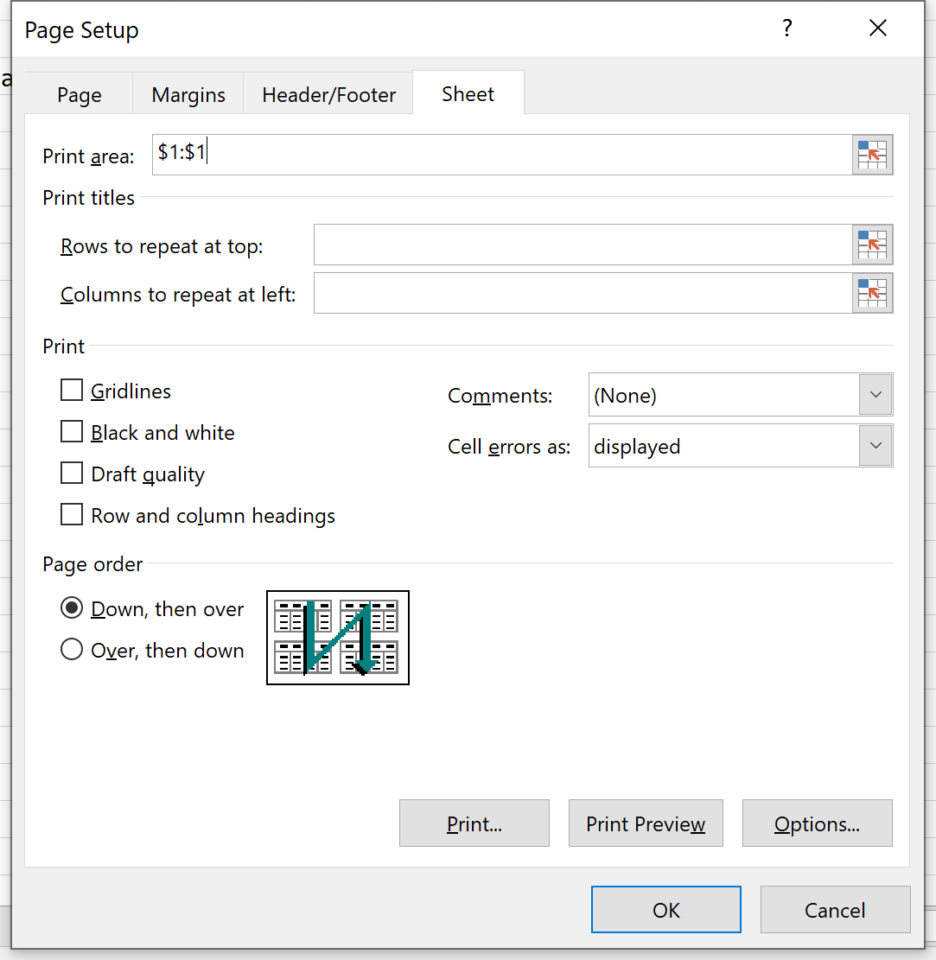

 | Printing Repeat Header

Back to Main Menu

Slicer
Last Name | First Name | Rate | Hours | Last Name | First Name | Rate | Hours
Alfano | Vincenzo | 17.63 | 38 | Alfano | Vincenzo | 17.63 | 38
Bai | Ye | 12.73 | 40 | Bai | Ye | 12.73 | 40
Barile | Brad | 11.05 | 39 | Barile | Brad | 11.05 | 39
Bedard | Greg | 11.9 | 38 | Bedard | Greg | 11.9 | 38
Campbell | Jaime | 12.14 | 40 | Campbell | Jaime | 12.14 | 40
Cao | Lei | 11.19 | 39 | Cao | Lei | 11.19 | 39
Capra | Ivana | 13.18 | 32 | Capra | Ivana | 13.18 | 32
Chen | Wei-Ta | 10.77 | 40 | Chen | Wei-Ta | 10.77 | 40

Back to Main Menu

The T Function
 | The T function removes numeric values.
 |  |  | =T("apple") // returns "apple"
 |  |  | =T("NASA") // returns "NASA"
Apple | Apple | =T(B5) | =T(100) // returns ""
Home | Home | =T(B6) | =T(FALSE) // returns ""
The Excel T function returns text when given a text value and an empty string ("") for numbers, dates, and the logical values TRUE and FALSE. You can use the T function to remove values that are not text.
Purpose
Filter text values only
FALSE |  | =T(B7)
77 |  | =T(B8)
0 |  | =T(B9)
O | O | =T(B10)
#DIV/0! | #DIV/0! | =T(B11)
#NAME? | #NAME? | =T(B12)
#N/A | #N/A | =T(B13)

Back to Main Menu

Center Across Selection
Payroll
Last Name | First Name | Rate | Hours
Alfano | Vincenzo | 17.63 | 38
Bai | Ye | 12.73 | 40
Barile | Brad | 11.05 | 39
Bedard | Greg | 11.9 | 38
Campbell | Jaime | 12.14 | 40
Cao | Lei | 11.19 | 39
Capra | Ivana | 13.18 | 32
Chen | Wei-Ta | 10.77 | 40
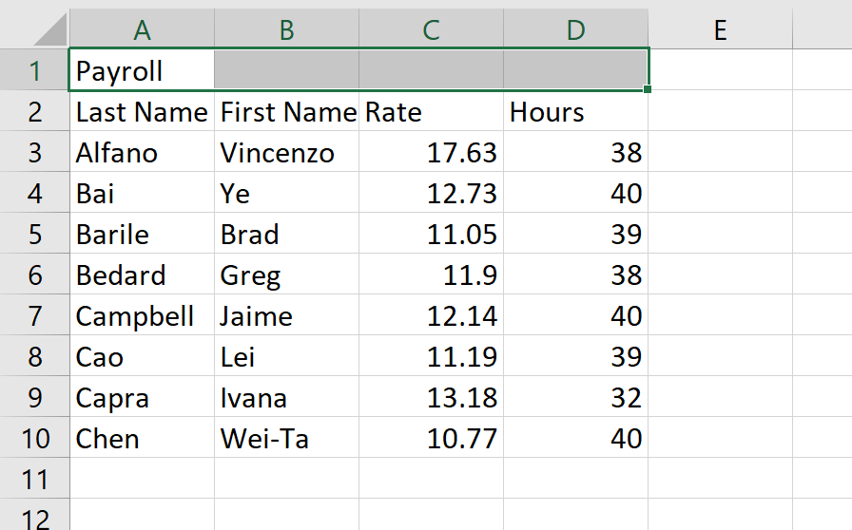
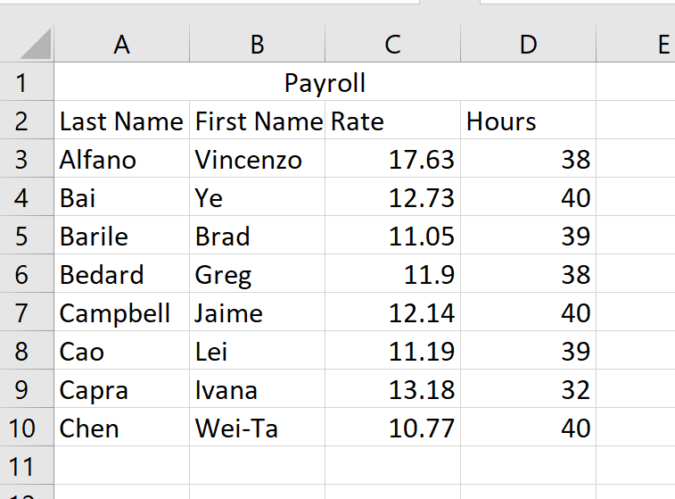
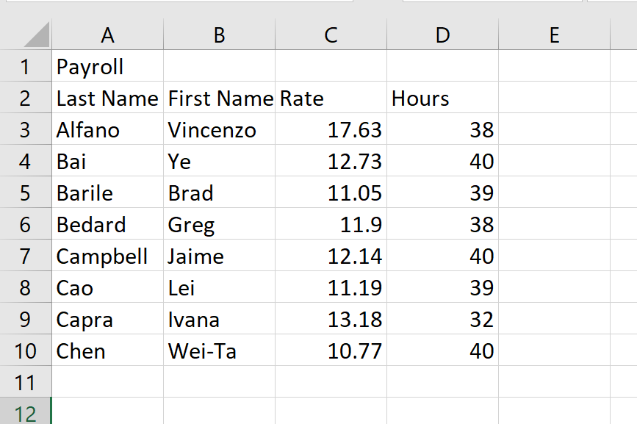
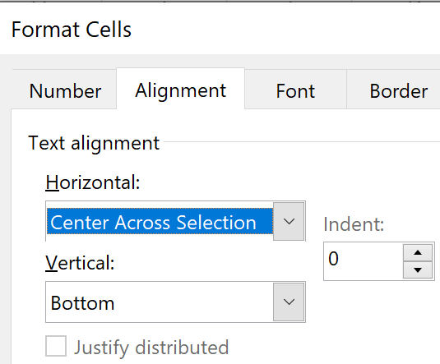

Back to Main Menu

VLOOKUP HELP
Major | Final Exam | Student
Economics | 84 | Vincenzo Alfano | 84 | =D3
Accounting | 66 | Ye Bai | 66 | =D4
Marketing | 81 | Brad Barile | 81 | =D5
Economics | 68 | Greg Bedard | 68 | =D6
Accounting | 87 | Jaime Campbell | 87 | =D7
Economics | 70 | Lei Cao | 70 | =D8
Marketing | 86 | Ivana Capra | 86 | =D9
Marketing | 82 | Wei-Ta Chen | 82 | =D10
Accounting | 75 | Jie Chen | 75 | =D11
Economics | 80 | Sari Cohen | 80 | =D12
Marketing | 79 | Nimisha Dharam | 79 | =D13

 |  |  | Final Exam
 |  | Greg Bedard | 68 | =VLOOKUP(E16,$E$3:$F$13,2,0)
 |  | Jie Chen | 75 | =VLOOKUP(E17,$E$3:$F$13,2,0)

Back to Main Menu

Navigating Between Sheets
 | Navigating Between Sheets

A

Back to Main Menu

