How old are they
ID | Date of Birth | Calculated age
10357 | 1979-01-01 | 42 | =DATEDIF(B2,TODAY(),"Y")
10096 | 1984-09-19 | 36
How old are they?
I used the date-difference. The "Y" means Years =DATEDIF(B2,TODAY(),"Y")
10592 | 2000-11-13 | 20
10769 | 1987-01-18 | 34
10829 | 1999-05-24 | 22
10771 | 2005-09-08 | 15
10498 | 1997-06-24 | 24
10254 | 2000-06-07 | 21
10706 | 1991-06-10 | 30
10406 | 1985-04-06 | 36
10517 | 1989-07-02 | 32
10192 | 1987-06-23 | 34
10301 | 1989-12-17 | 31
10345 | 1996-09-12 | 24 |  | Y | The number of complete years in the period.
10827 | 1983-03-21 | 38 |  | M | The number of complete months in the period.
10204 | 2000-10-05 | 20 |  | D | The number of days in the period.
10283 | 2004-05-25 | 17
10507 | 1995-10-24 | 25
10915 | 1994-02-05 | 27
10460 | 1991-07-15 | 30
10557 | 1984-06-06 | 37

Back to Main Menu

Add Time
4 Add Hours, Minutes and Seconds in Excel
If you have a list of dates and times in a worksheet and you want to add the hours/minutes/seconds to these cells.
It is formatted: m/d/yyyy h:mm:ss
Original | Add a Day | Add an Hour | Add a Minute | Add a second
7/23/2021 | 7/24/2021 | 7/23/2021 | 7/23/2021 | 7/23/2021
 | =B3+1 | =B3+1/24 | =B3+1/1440 | =B3+1/86400

Back to Main Menu

Hyperlink
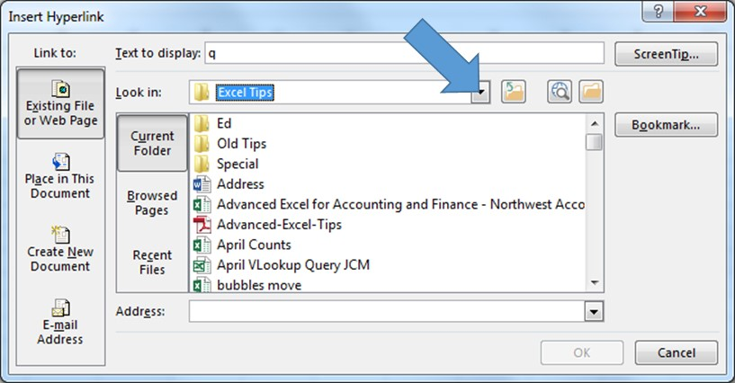
Back to Main Menu

Hyperlink to a document
You may want to click on a cell and find the relevant document on you computer.
Click on Hyperlink or use CTRL+K and locate the document on your system
Go to

 | q

