Get rid of a letter or symbol
Get rid of a letter or symbol
There are a couple of ways to remove a letter of a symbol. Here are two:
1. Use a function
=SUBSTITUTE(B2,"-","")
2. Use Find and Replace (CTRL+H)
Use a "-" in the Find What and do not enter anything is the Replace with
053-50-3697 | 053503697 | =SUBSTITUTE(B2,"-","")
053-50-3698 | 053503698
053-50-3699 | 053503699
053-50-3700 | 053503700
053-50-3701 | 053503701
053-50-3702 | 053503702
053-50-3703 | 053503703

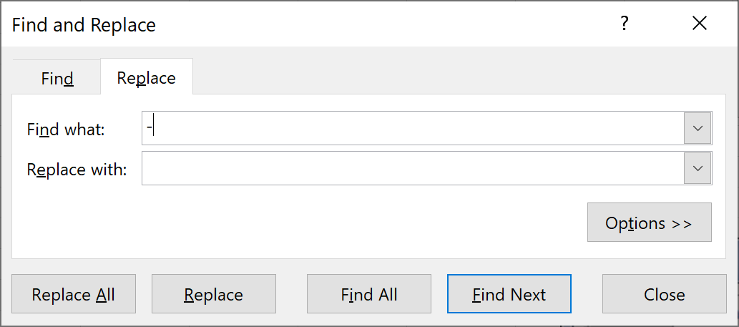

Back to Main Menu

Get dates from Text
Get the dates from text
You may get date that lools like the data I have on the left
USE Data > Text to Columns
Choose Date and indicate the format
20161123 | 2016-11-23 | 2016 | 11 | 23 | 20161123 | 2016-11-23
20150909 | 2015-09-09 | 2015 | 9 | 9 | 20150909 | 2015-09-09
20170101 | 2017-01-01 | 2017 | 1 | 1 | 20170101 | 2017-01-01
20191201 | 2019-12-01 | 2019 | 12 | 1 | 20191201 | 2019-12-01

 |  |  |  |  | 2016 | 11 | 23
 |  |  |  |  | 2015 | 9 | 9
2016-11-23 |  |  |  |  | 2017 | 1 | 1
2015-09-09 |  |  |  |  | 2019 | 12 | 1
2017-01-01
2019-12-01

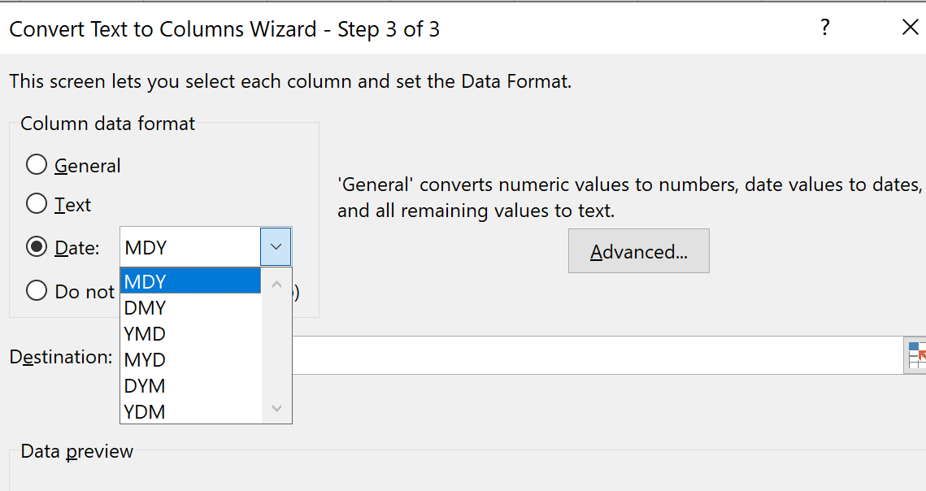

Back to Main Menu

Back to Main Menu

Copy to Word or PPT
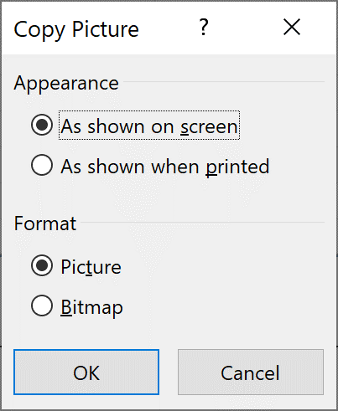
Moving a copy to Word or PPT
Copy and paste to a different application like Word or PowerPoint may be tricky.
An easy and effective way is to COPY AS PICTURE.
1. Select the data you want to copy and click on the dropdown menu
2. Use "As shown when printed"
 | Week | 1 | 2 | 3 | 4 | 5 | 6 | 7 | 8 | 9 | 10 | 11 | 12 | 13 | 14 | 15 | 16 | 17 | 18 | 19 | 20 | 21 | 22 | 23 | 24 | 25 | 26 | 27 | 28 | 29 | 30 | Total
 | # of complaints | 14 | 12 | 10 | 12 | 9 | 7 | 9 | 11 | 9 | 12 | 10 | 7 | 12 | 9 | 15 | 13 | 7 | 10 | 8 | 5 | 12 | 9 | 7 | 9 | 20 | 12 | 8 | 2 | 9 | 10 | 299
 | Weekly surveys | 100 | 100 | 100 | 100 | 100 | 100 | 100 | 100 | 100 | 100 | 100 | 100 | 100 | 100 | 100 | 100 | 100 | 100 | 100 | 100 | 100 | 100 | 100 | 100 | 100 | 100 | 100 | 100 | 100 | 100 | 3000 |  | Week | # of complaints | Weekly surveys | p | Pbar | UCLp | LCLp
 |  |  |  |  |  |  |  |  |  |  |  |  |  |  |  |  |  |  |  |  |  |  |  |  |  |  |  |  |  |  |  |  |  | 1 | 14 | 100 | 0.140 | 0.100 | 0.190 | 0.010
 |  |  |  |  |  |  |  |  |  |  |  |  |  |  |  |  |  |  |  |  |  |  |  |  |  |  |  |  |  |  |  | 0.100 |  | 2 | 12 | 100 | 0.120 | 0.100 | 0.190 | 0.010
Back to Main Menu
 |  |  |  |  |  |  |  |  |  |  |  |  |  |  |  |  |  |  |  |  |  |  |  |  |  |  |  |  |  |  |  |  |  | 3 | 10 | 100 | 0.100 | 0.100 | 0.190 | 0.010
 |  |  |  |  |  |  |  |  |  |  |  |  |  |  |  |  |  |  |  |  |  |  |  |  |  |  |  |  |  |  |  |  |  | 4 | 12 | 100 | 0.120 | 0.100 | 0.190 | 0.010
 |  |  |  |  |  |  |  |  |  |  |  |  |  |  |  |  |  |  |  |  |  |  |  |  |  |  |  |  |  |  |  |  |  | 5 | 9 | 100 | 0.090 | 0.100 | 0.190 | 0.010
 |  |  |  |  |  |  |  |  |  |  |  |  |  |  |  |  |  |  |  |  |  |  |  |  |  |  |  |  |  |  |  |  |  | 6 | 7 | 100 | 0.070 | 0.100 | 0.190 | 0.010
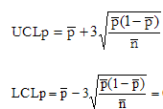
 |  |  |  |  |  |  |  |  |  |  |  |  |  |  |  |  |  |  |  |  |  |  |  |  |  |  |  |  |  |  |  |  |  | 7 | 9 | 100 | 0.090 | 0.100 | 0.190 | 0.010
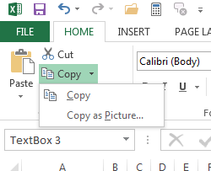
 |  |  |  |  |  |  |  |  |  |  |  |  |  |  |  |  |  |  |  |  |  |  |  |  |  |  |  |  |  |  |  |  | 0.190 | 8 | 11 | 100 | 0.110 | 0.100 | 0.190 | 0.010
 |  |  |  |  |  |  |  |  |  |  |  |  |  |  |  |  |  |  |  |  |  |  |  |  |  |  |  |  |  |  |  |  |  | 9 | 9 | 100 | 0.090 | 0.100 | 0.190 | 0.010
 |  |  |  |  |  |  |  |  |  |  |  |  |  |  |  |  |  |  |  |  |  |  |  |  |  |  |  |  |  |  |  |  |  | 10 | 12 | 100 | 0.120 | 0.100 | 0.190 | 0.010
 |  |  |  |  |  |  |  |  |  |  |  |  |  |  |  |  |  |  |  |  |  |  |  |  |  |  |  |  |  |  |  |  | 0.010 | 11 | 10 | 100 | 0.100 | 0.100 | 0.190 | 0.010
 |  |  |  |  |  |  |  |  |  |  |  |  |  |  |  |  |  |  |  |  |  |  |  |  |  |  |  |  |  |  |  |  |  | 12 | 7 | 100 | 0.070 | 0.100 | 0.190 | 0.010
P Chart
 |  |  |  |  |  |  |  |  |  |  |  |  |  |  |  |  |  |  |  |  |  |  |  |  |  |  |  |  |  |  |  |  |  | 13 | 12 | 100 | 0.120 | 0.100 | 0.190 | 0.010
 |  |  |  |  |  |  |  |  |  |  |  |  |  |  |  |  |  |  |  |  |  |  |  |  |  |  |  |  |  |  |  |  |  | 14 | 9 | 100 | 0.090 | 0.100 | 0.190 | 0.010
 |  |  |  |  |  |  |  |  |  |  |  |  |  |  |  |  |  |  |  |  |  |  |  |  |  |  |  |  |  |  |  |  |  | 15 | 15 | 100 | 0.150 | 0.100 | 0.190 | 0.010
 |  |  |  |  |  |  |  |  |  |  |  |  |  |  |  |  |  |  |  |  |  |  |  |  |  |  |  |  |  |  |  |  |  | 16 | 13 | 100 | 0.130 | 0.100 | 0.190 | 0.010
 |  |  |  |  |  |  |  |  |  |  |  |  |  |  |  |  |  |  |  |  |  |  |  |  |  |  |  |  |  |  |  |  |  | 17 | 7 | 100 | 0.070 | 0.100 | 0.190 | 0.010
 |  |  |  |  |  |  |  |  |  |  |  |  |  |  |  |  |  |  |  |  |  |  |  |  |  |  |  |  |  |  |  |  |  | 18 | 10 | 100 | 0.100 | 0.100 | 0.190 | 0.010
 |  |  |  |  |  |  |  |  |  |  |  |  |  |  |  |  |  |  |  |  |  |  |  |  |  |  |  |  |  |  |  |  |  | 19 | 8 | 100 | 0.080 | 0.100 | 0.190 | 0.010
 |  |  |  |  |  |  |  |  |  |  |  |  |  |  |  |  |  |  |  |  |  |  |  |  |  |  |  |  |  |  |  |  |  | 20 | 5 | 100 | 0.050 | 0.100 | 0.190 | 0.010
 |  |  |  |  |  |  |  |  |  |  |  |  |  |  |  |  |  |  |  |  |  |  |  |  |  |  |  |  |  |  |  |  |  | 21 | 12 | 100 | 0.120 | 0.100 | 0.190 | 0.010
 |  |  |  |  |  |  |  |  |  |  |  |  |  |  |  |  |  |  |  |  |  |  |  |  |  |  |  |  |  |  |  |  |  | 22 | 9 | 100 | 0.090 | 0.100 | 0.190 | 0.010
 |  |  |  |  |  |  |  |  |  |  |  |  |  |  |  |  |  |  |  |  |  |  |  |  |  |  |  |  |  |  |  |  |  | 23 | 7 | 100 | 0.070 | 0.100 | 0.190 | 0.010
 |  |  |  |  |  |  |  |  |  |  |  |  |  |  |  |  |  |  |  |  |  |  |  |  |  |  |  |  |  |  |  |  |  | 24 | 9 | 100 | 0.090 | 0.100 | 0.190 | 0.010
 |  |  |  |  |  |  |  |  |  |  |  |  |  |  |  |  |  |  |  |  |  |  |  |  |  |  |  |  |  |  |  |  |  | 25 | 20 | 100 | 0.200 | 0.100 | 0.190 | 0.010
 |  |  |  |  |  |  |  |  |  |  |  |  |  |  |  |  |  |  |  |  |  |  |  |  |  |  |  |  |  |  |  |  |  | 26 | 12 | 100 | 0.120 | 0.100 | 0.190 | 0.010
 |  |  |  |  |  |  |  |  |  |  |  |  |  |  |  |  |  |  |  |  |  |  |  |  |  |  |  |  |  |  |  |  |  | 27 | 8 | 100 | 0.080 | 0.100 | 0.190 | 0.010
 |  |  |  |  |  |  |  |  |  |  |  |  |  |  |  |  |  |  |  |  |  |  |  |  |  |  |  |  |  |  |  |  |  | 28 | 2 | 100 | 0.020 | 0.100 | 0.190 | 0.010
 |  |  |  |  |  |  |  |  |  |  |  |  |  |  |  |  |  |  |  |  |  |  |  |  |  |  |  |  |  |  |  |  |  | 29 | 9 | 100 | 0.090 | 0.100 | 0.190 | 0.010
 |  |  |  |  |  |  |  |  |  |  |  |  |  |  |  |  |  |  |  |  |  |  |  |  |  |  |  |  |  |  |  |  |  | 30 | 10 | 100 | 0.100 | 0.100 | 0.190 | 0.010

Back to Main Menu
300

Rounding to 1000s
Rounding to the closest 1,000s
ROUND(number,0) the 0 is the number of digits
123,456 | 123 | =ROUND(B3/1000,0)
123,786 | 124 | =ROUND(B4/1000,0)
1,501 | 2 | =ROUND(B5/1000,0)
1,400 | 1 | =ROUND(B6/1000,0)
300 | 0 | =ROUND(B7/1000,0)
-21,342 | -21 | =ROUND(B8/1000,0)
4,423,001 | 4,423 | =ROUND(B9/1000,0)

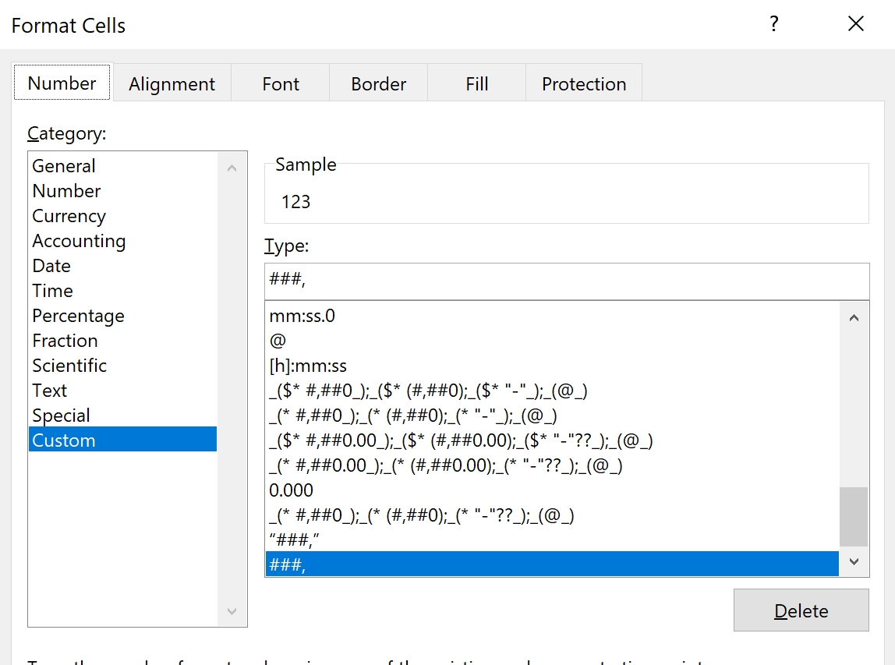
Back to Main Menu
15122020 | 15122000 | =MROUND(C13,1000)
1122020 | 1122000 | =MROUND(C14,1000)

123,456 |  | 123
123,786 |  | 124
1,501 |  | 2
1,400 |  | 1 | Formatted
300 |  | 0
-21,342 |  | -21
4,423,001 |  | 4423

Back to Main Menu

Autofill with Options
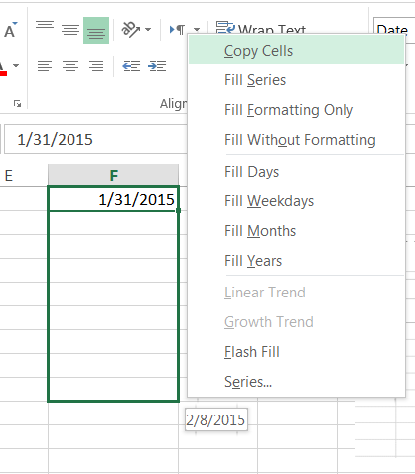
2021-01-18
2021-01-19
2021-01-20
Autofill with Options
Right click and use the Autofill options
I chose Fill Months
2021-01-21
2021-01-22
2021-01-23

Back to Main Menu

 | 2021-01-18

Compare lists
Compare Lists
How do I compare lists? If I have one column and the other column and I want to see which ones from one are in the other? I'd like to have a variable that is maybe a 1 if something is in both lists and a 0 if it is not in this list but is in the other one.
Count
=COUNTIF($A$2:$A$40,E2)
List A | On List B? >0 | List B | On List A? >0
25 | 0 | 22 | 0 | =COUNTIF($A$2:$A$40,E2)
36 | 0 | 11 | 0
46 | 3 | 17 | 0
38 | 0 | 20 | 0
48 | 1 | 48 | 2
44 | 0 | 47 | 0
49 | 0 | 40 | 1
49 | 0 | 26 | 0
34 | 0 | 26 | 0
Back to Main Menu
34 | 0 | 46 | 1
37 | 0 | 70 | 0
23 | 0 | 32 | 0
48 | 1 | 46 | 1
28 | 0 | 32 | 0
41 | 0 | 22 | 0
28 | 0 | 35 | 1
38 | 0 | 3 | 0
35 | 1 | 20 | 0 |  | Use Conditional Formatting
34 | 0 | 4 | 0 |  | Select cells in both lists (select one list, then hold CTRL key and then select the second list)
31 | 0 | 26 | 0 |  | Go to Conditional Formatting, use Highlight Cells Rules and choose Duplicate Values
45 | 1 | 39 | 0
31 | 0 | 1 | 0
34 | 0 | 47 | 0
43 | 0 | 27 | 1
31 | 0 | 32 | 0
37 | 0 | 33 | 1
40 | 2 | 46 | 1
25 | 0 | 21 | 1
111 | 0 | 24 | 0
38 | 0 | 68 | 0
120 | 0 | 69 | 0
30 | 1 | 45 | 1
49 | 0 | 22 | 0
28 | 0 | 70 | 0
33 | 1 | 29 | 1
23 | 0 | 20 | 0
27 | 1 | 30 | 1
29 | 1 | 40 | 1
21 | 1 | 75 | 0

If or Lookup
IF or LOOKUP
Instead of using a nested IF
it is easier to create a LOOKUP table
Group | Range
Up to $50k | 0 - 50000 |  | 0 | Up to $50k
Up to $100k | 51000 - 100000 |  | 50,000 | Up to $100k
Up to $1m | 100001 - 1000000 |  | 100,000 | Up to $1m
Up to $10m | 1000001 - 10000000 |  | 1,000,000 | Up to $10m
Above $10m | 10000001 - infinity |  | 10,000,000 | Above $10m

Back to Main Menu
How to write a IF statement to fetch the right group?
 | =VLOOKUP(A15,$E$2:$F$6,2)

Total Amount
$4,693.76 | Up to $50k | Up to $50k |  | Up to $50k
$90,265.00 | Up to $100k | Up to $100k
$8,236,598.00 | Up to $10m | Up to $10m
$500,326.00 | Up to $1m | Up to $1m
$25,000,136.00 | Above $10m | Above $10m

