Show or Hide Full Ribbon
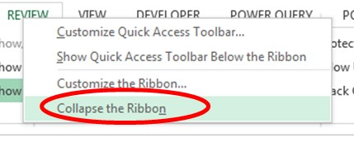
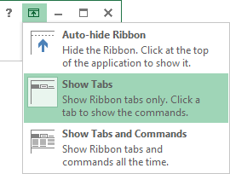
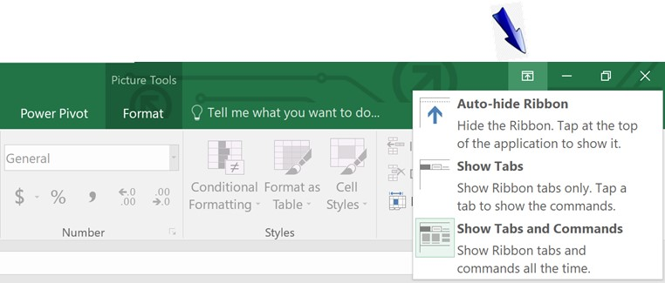
Five ways to Hide/Show the full ribbon Menu

Back to Main Menu
Five ways to Hide/Show the full ribbon Menu

Insert Header & Footer
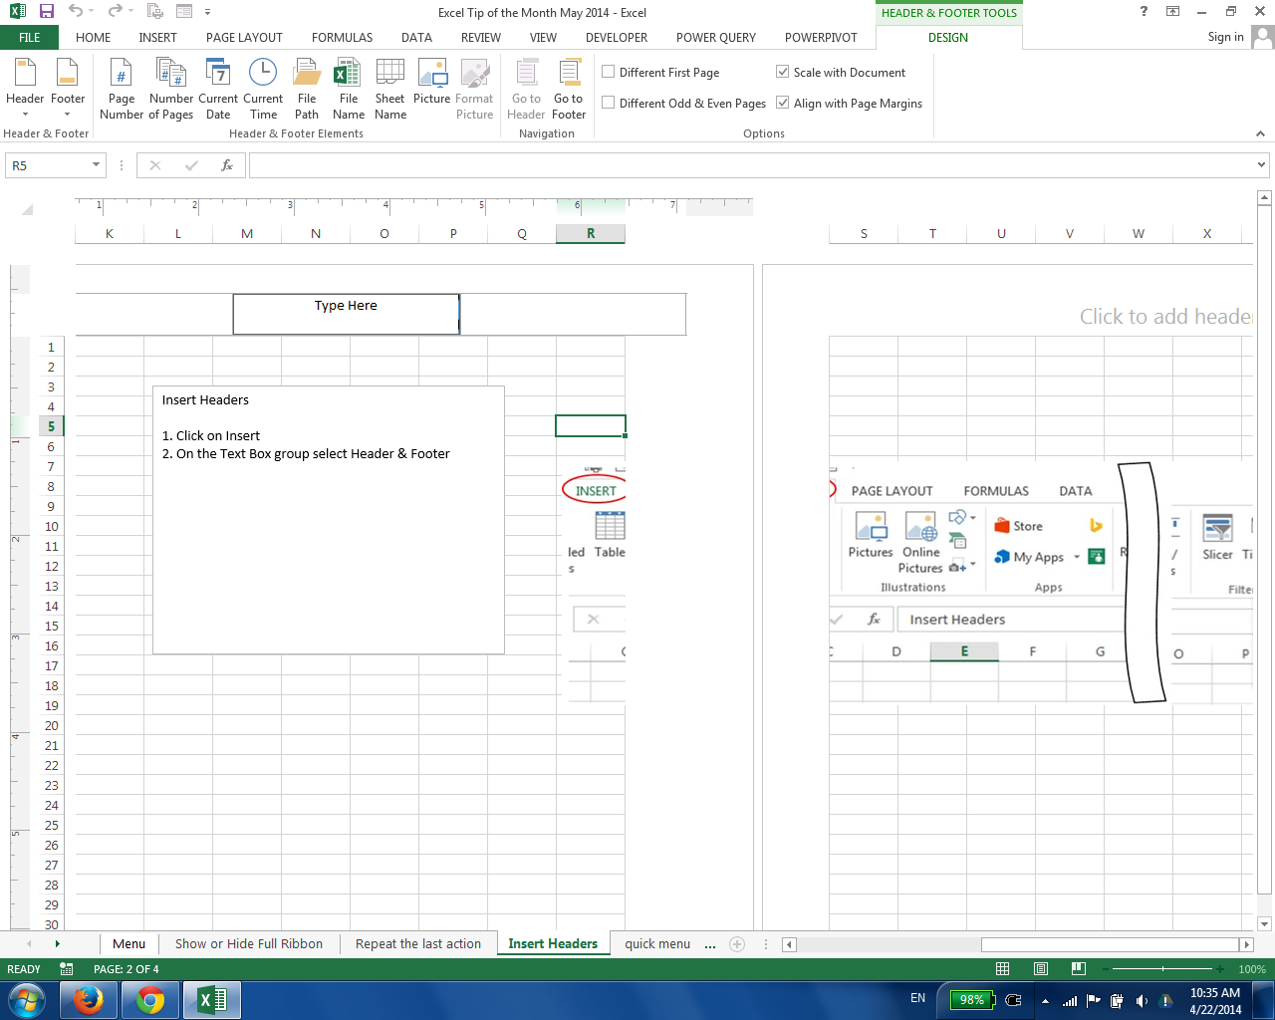
Insert Headers

Insert Headers (or footers)
1. Page Layout
2. Page setup
3. Header footer menu

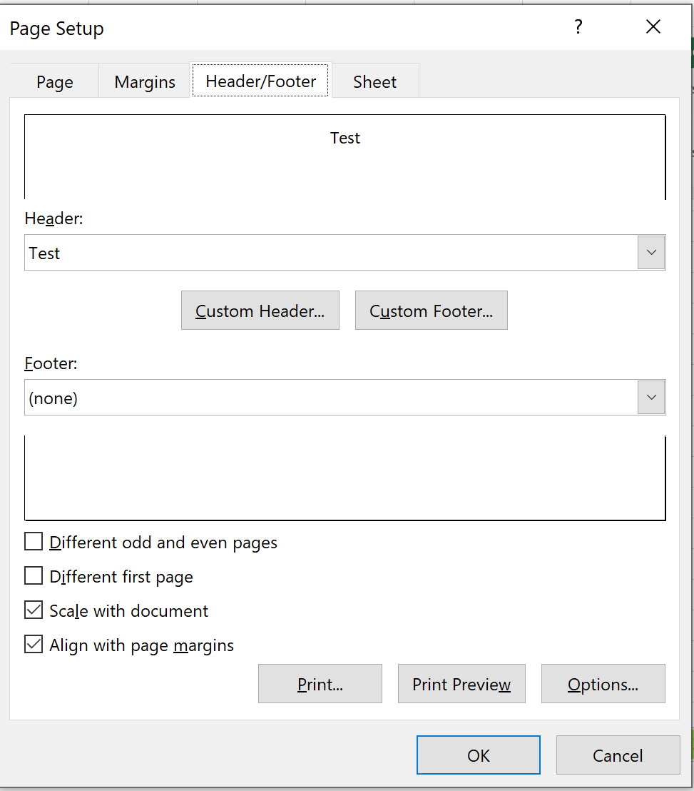

Back to Main Menu

Get the Function Menu
Back to Main Menu

Get the Function Menu
When you are typing the function, use CTRL+A to get the menu

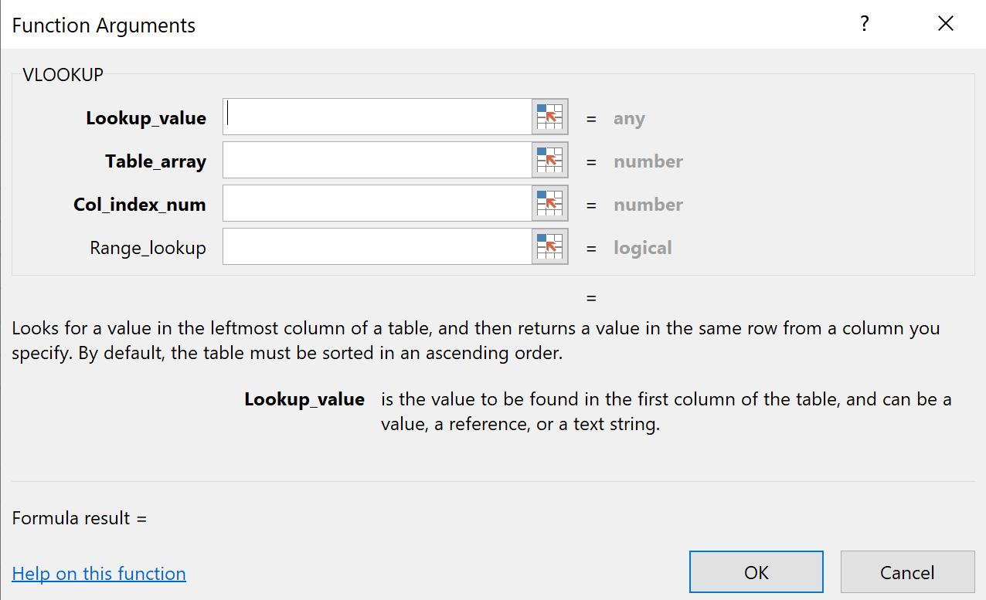

At this point Use CTRL+A

Status Bar
 | Status Bar

Back to Main Menu

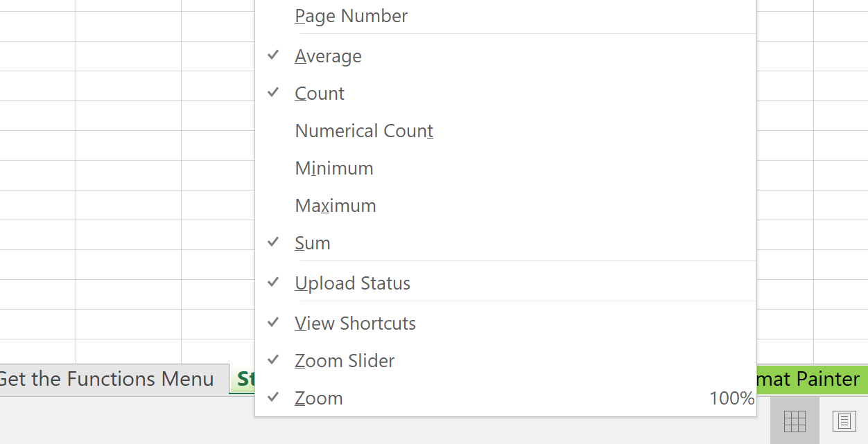

Right Click and ask for the status bar

Back to Main Menu

Remove Duplicates
Remove Duplicates
Do you know of a way to generate a list of unique name from a large list?
For instance if my list is:
Tom
Jeff
Robert
Stephen
Tom
Bill
Jeff
Bill
Stephen
Tom
Tom
The list I will receive will be:
Tom
Jeff
Robert
Stephen
Bill
Tom
Jeff
Robert
Stephen
Tom
Bill
Jeff | Select a single cell in the range
Bill | Go to Data> Remove Duplicates
Stephen
Tom
Tom

Back to Main Menu

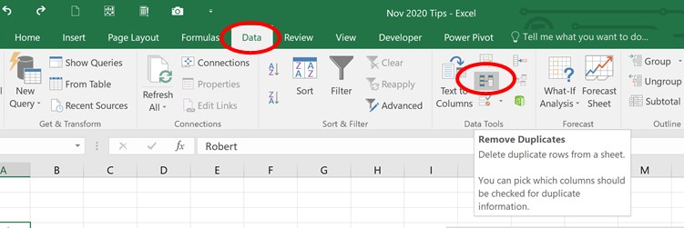

Back to Main Menu

Eliminate Links
Get rid of these links

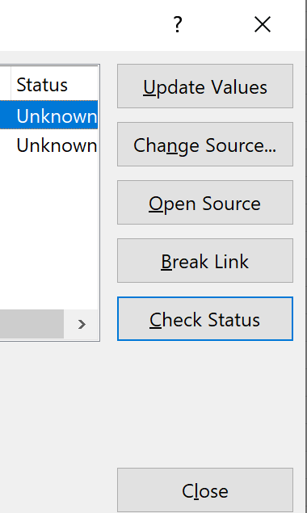

Back to Main Menu

Format Painter
 | 1. Click on the Select All button of the worksheet that contains the preferred formatting.
To Format the entire sheet | 2. Click on the Format Painter button.
 | 3. Click on the sheet tab for the sheet that is to receive the formatting.
Back to Main Menu
 | 4. Click on the Select All button in the new sheet. All of your formatting has assigned!

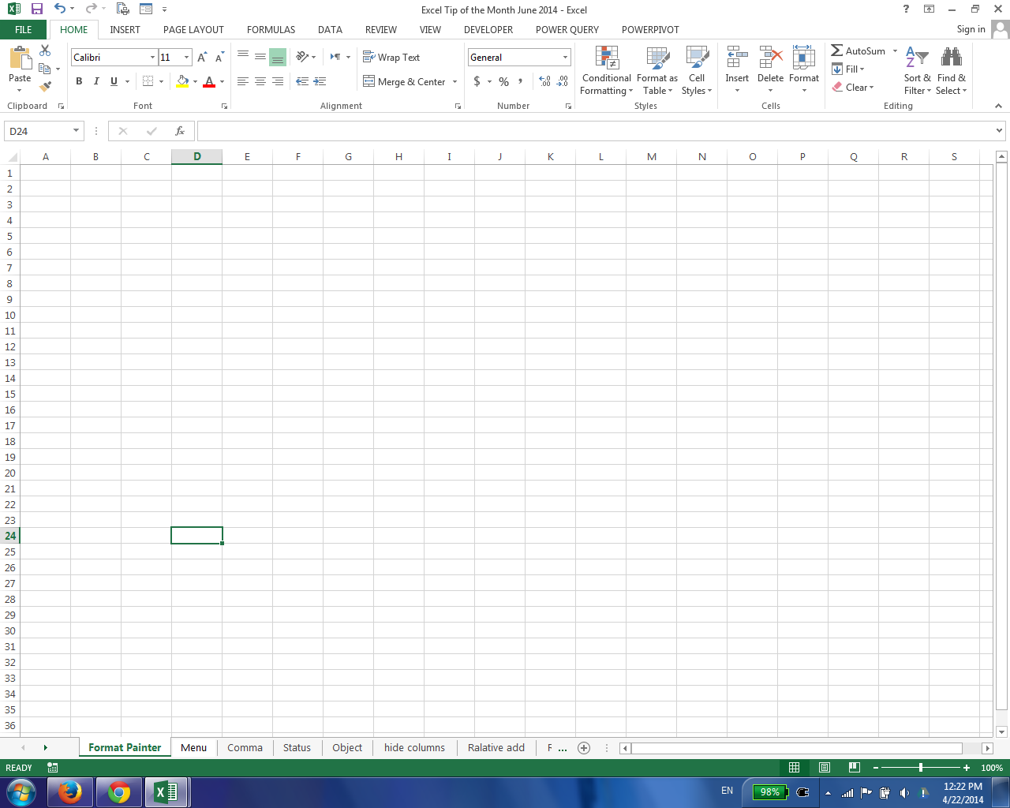

Back to Main Menu

Conversion Table
Back to Main Menu
 |  |  | Enter number | Result in |  |  |  | Enter number
Cup | Gram | Ounces | Cups | Grams | Ounces | Tablespoon | Gram | Tablespoons | Gram
whole-wheat flour | 125 | 4.4 | 1 | 125 | 4.41 | Flour | 10 | 1 | 10
Sugar | 200 | 7.1 | 1 | 200 | 7.05 | Sugar | 12 | 1 | 12
Packed Compressed brown sugar | 225 | 7.9 | 1 | 225 | 7.94 | Salt | 18 | 1 | 18
Butter | 230 | 8.1 | 1 | 230 | 8.11 | Dry Yeast | 10 | 1 | 10
powdered sugar | 120 | 4.2 | 1 | 120 | 4.23 | Butter | 15 | 1 | 15
Ground nuts | 110 | 3.9 | 1 | 110 | 3.88 | Baking Powder/powdered sugar | 10 | 1 | 10
Chopped nuts | 100 | 3.5 | 1 | 100 | 3.53 | Chopped Nuts/Almonds | 6 | 1 | 6
Long Grain Rice | 200 | 7.1 | 1 | 200 | 7.05 | Gelatin Powder | 10 | 1 | 10
Rice | 210 | 7.4 | 1 | 210 | 7.41 | Honey | 22 | 1 | 22
Honey/Maple Syrup | 320 | 11.3 | 1 | 320 | 11.29 | baking soda | 10 | 1 | 10
jam, jelly | 320 | 11.3 | 1 | 320 | 11.29 | Corn Flour | 10 | 1 | 10
Peanut Butter | 280 | 9.9 | 1 | 280 | 9.88
Salt | 290 | 10.2 | 1 | 290 | 10.23 |  |  | Enter number
Chopped dried fruit | 150 | 5.3 | 1 | 150 | 5.29 | Teaspoon | Gram | Teaspoons | Gram
Bread Crums | 125 | 4.4 | 1 | 125 | 4.41 | Baking Powder/powdered sugar | 3 | 1 | 3
Cake Crumbs | 110 | 3.9 | 1 | 110 | 3.88 | Salt | 6 | 1 | 6
Raisins | 140 | 4.9 | 1 | 140 | 4.94 | baking soda | 3 | 1 | 3
Ground Coconut | 70 | 2.5 | 1 | 70 | 2.47 | Sugar | 4 | 1 | 4
Corn Flour | 140 | 4.9 | 1 | 140 | 4.94 | Packed Compressed brown sugar | 5 | 1 | 5
Cacao | 140 | 4.9 | 1 | 140 | 4.94 | Flour | 3 | 1 | 3
Chocolate Chips | 200 | 7.1 | 1 | 200 | 7.05
Oats | 100 | 3.5 | 1 | 100 | 3.53 | Item | Unit | Enter number | Result | Units
Oil | 200 | 7.1 | 1 | 200 | 7.05 | Cup | 240 Ml. | 1 | 240 | Milliliter
 |  |  |  |  |  | Spoon | 15 Ml. | 1 | 15 | Milliliter
 |  |  |  |  |  | Teaspoon | 5 ML. | 1 | 5 | Milliliter
 |  |  |  |  |  | Spoon | 3 Teaspoon | 1 | 3 | Teaspoon
 |  |  |  |  |  | Cup | 16 Tablespoons | 1 | 16 | Tablespoon

