Copy here as Values
Copy here as values only
If you don't want to use
Copy and Paste special as values
1. Select the range with formulas D4:E6
2. Right- click an Drag it a notch and drop it back to its original location.
A menu will pop up
select Copy here as values only

2 | 2 | 4 | 8
3 | 3 | 6 | 12
4 | 4 | 8 | 16
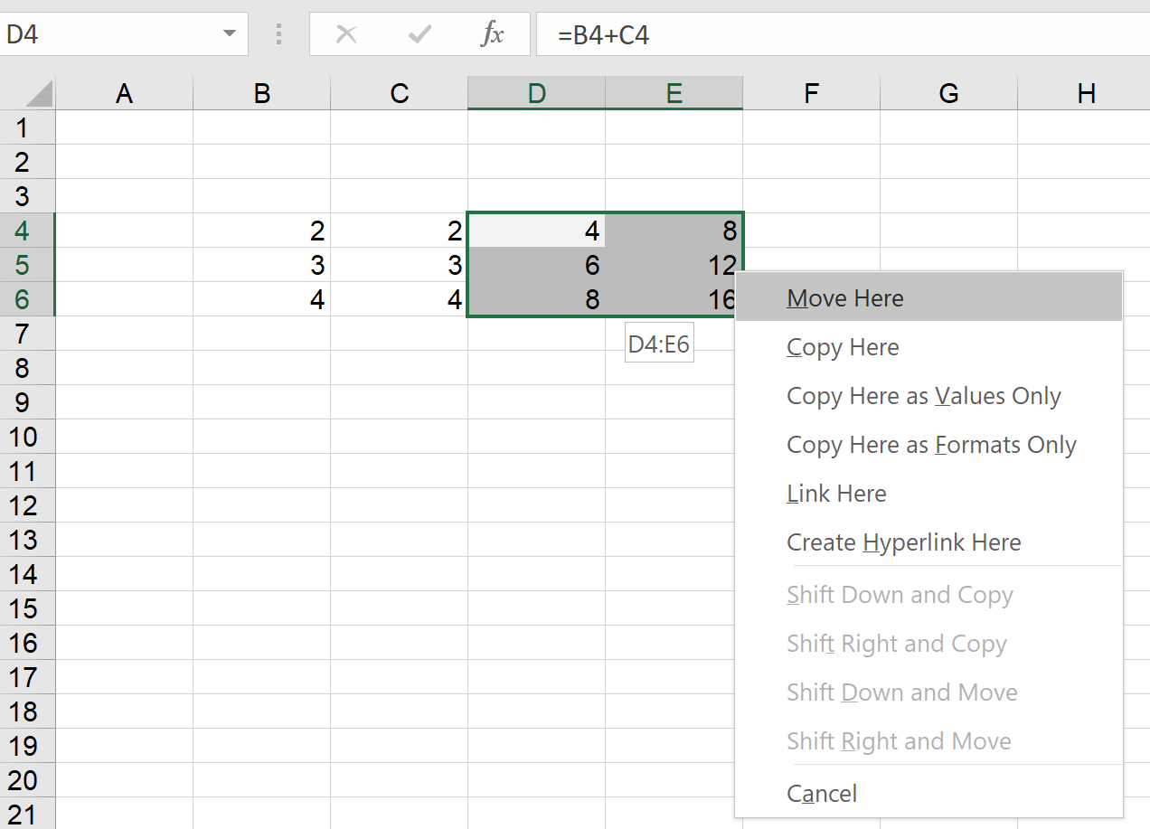

Back to Main Menu

X Axis Date Problem
 | Sales
Sep-18 | 82
Jul-19 | 98
Aug-19 | 91
Sep-19 | 78

Back to Main Menu

Before
After

Back to Main Menu

Delete all Errors
Delete all errors at once
Select range (CTRL+A or Command A with a MAC)
Use CTRL+G (go to)
Click Special...
Select Errors
Hit delete
0 | 2 | -1 | 0 | 3 | 2
3 | 1 | 1 | 2 | 3 | 0
#NAME? |  | #N/A |  |  | #N/A
0 | 1 | 1 | 3 | 0 | 1
-1 | 0 | 1 | 0 | 2 | 3
-1 | 1 | 3 | -1 | 0 | -1
1 | -1 | 0 | -1 | 3 | -1
1 | 2 | 1 | -1 | 1 | 0
-1 | 0.5 | 5 | -1 | 5 | #DIV/0!
2 | 3 | -1 | 3 | 3 | 2
2 | 3 | 2 | 0 | 3 | 3
1 | 3 | 2 | -1 | -1 | -1
3 | 2 | 0 | 2 | 3 | -1
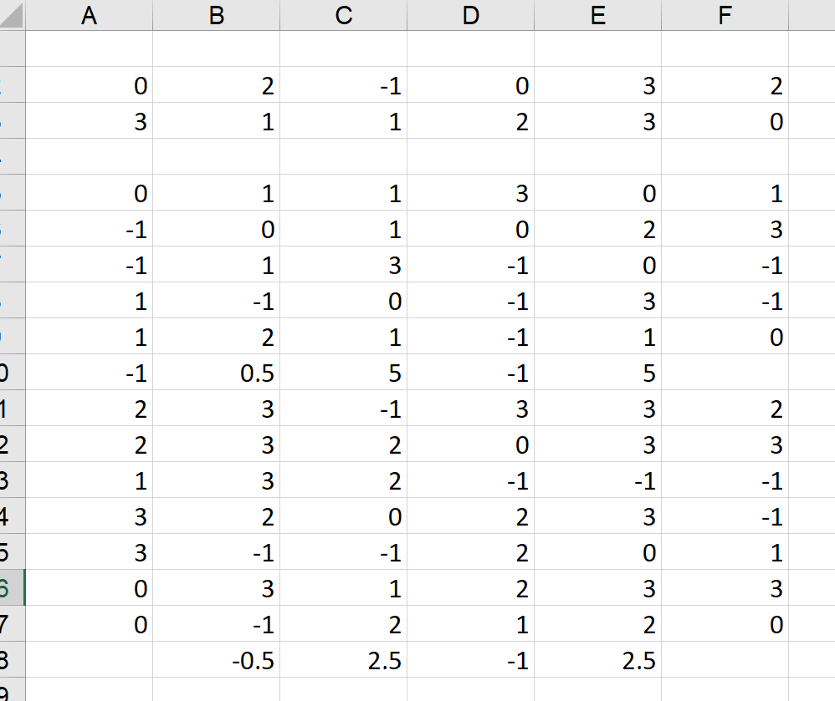
3 | -1 | -1 | 2 | 0 | 1
Back to Main Menu
0 | 3 | 1 | 2 | 3 | 3
0 | -1 | 2 | 1 | 2 | 0
#DIV/0! | -0.5 | 2.5 | -1 | 2.5 | #DIV/0!

Text Chart
Text Function Chart
We are using REPT for charting text
I used
=REPT("n",ROUND(C10,0))
Format: Wingdings and brown font

The Worlds Longest Bridges | Location | Length, Miles | Chart
1) Qingdao Haiwan Bridge | Shandong Province, China | 26.4 | nnnnnnnnnnnnnnnnnnnnnnnnnn
2) Lake Pontchartrain | Louisiana, United States | 23.9 | nnnnnnnnnnnnnnnnnnnnnnnn
3) Manchac Bridge | Louisiana, United States | 22.8 | nnnnnnnnnnnnnnnnnnnnnnn
4) Hanghzou Bay Bridge | Zhejiang Province, China | 22.4 | nnnnnnnnnnnnnnnnnnnnnn
5) Runyang Bridge | Jiangsu Province, China | 22.1 | nnnnnnnnnnnnnnnnnnnnnn
6) Donghai Bridge | Shanghai, China | 20.2 | nnnnnnnnnnnnnnnnnnnn
7) Atchafalaya Swamp Expressway | Louisiana, United States | 18.2 | nnnnnnnnnnnnnnnnnn
8) Chesapeake Bay Bridge-Tunnel | Virginia, United States | 17.6 | nnnnnnnnnnnnnnnnnn
9) Jintang Bridge | Zhejiang Province, China | 11.4 | nnnnnnnnnnn
10) Vasco de Gama | Sacavém, Portugal | 10.7 | nnnnnnnnnnn
Back to Main Menu

Show Positive & Negative
+3.00 | +2.0%
-3.00 | -2.0%

Code Positive and Negative numbers
Use Custom format

Back to Main Menu

Show Units
1245 | 1,245 km.
22 | 22 Ton

Back to Main Menu

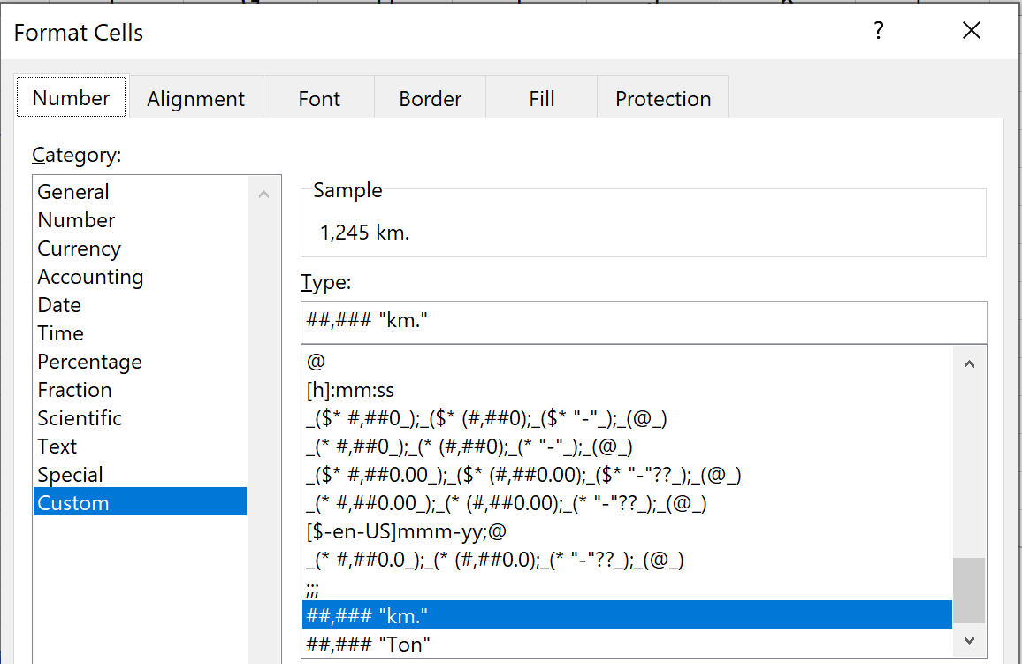
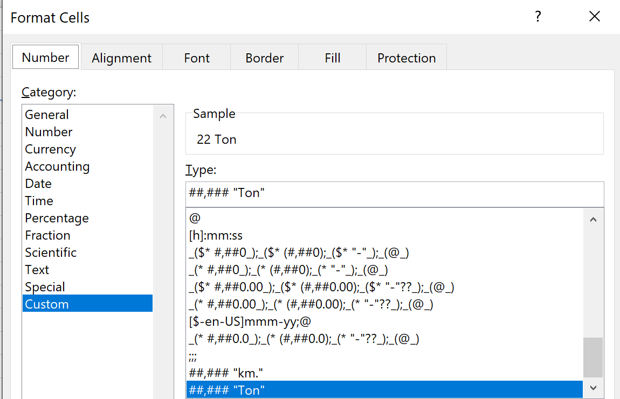

Show units
Use the Custom Format

Back to Main Menu

Hide Contents
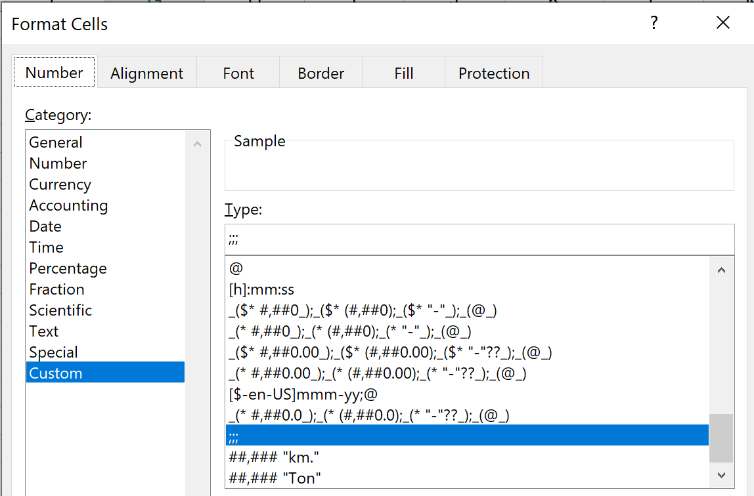

To hide the contents of a cell use Custom Format
;;;

Back to Main Menu

2

CTRL + 6
CTRL+6
 | Sales
Jun | 13,000
Jul | 18,252
Aug | 17,652

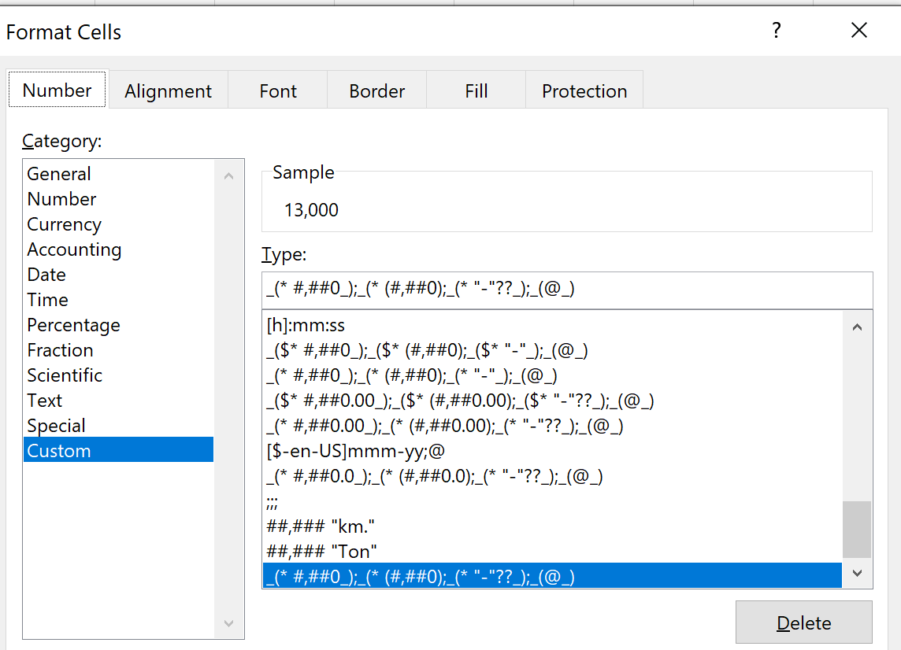

Back to Main Menu

