Convert
CONVERT
This function converts dates and other units
See B2 converting years to days
=CONVERT(A2,"yr","day")
See C3 converting days to years
=CONVERT(B2,"day","yr")
See D3 converting years to minutes
=CONVERT(C2,"yr","mn")
The list starting in cell H17 lists other measurements
Years | Days | Years | Minutes
3.5 | 1278.375 | 3.5 | 1,840,860

 |  |  |  |  |  | 1577880

Home

 |  |  |  | Weight and mass | From_unit or to_unit
 |  |  |  | Gram | "g"
 |  |  |  | Slug | "sg"
 |  |  |  | Pound mass (avoirdupois) | "lbm"
 |  |  |  | U (atomic mass unit) | "u"
 |  |  |  | Ounce mass (avoirdupois) | "ozm"
 |  |  |  | Distance | From_unit or to_unit
 |  |  |  | Meter | "m"
Back to Main Menu
 |  |  |  | Statute mile | "mi"
 |  |  |  | Nautical mile | "Nmi"
 |  |  |  | Inch | "in"
 |  |  |  | Foot | "ft"
 |  |  |  | Yard | "yd"
 |  |  |  | Angstrom | "ang"
 |  |  |  | Pica (1/72 in.) | "Pica"
 |  |  |  | Time | From_unit or to_unit
 |  |  |  | Year | "yr"
 |  |  |  | Day | "day"
 |  |  |  | Hour | "hr"
 |  |  |  | Minute | "mn"
 |  |  |  | Second | "sec"
 |  |  |  | Pressure | From_unit or to_unit
 |  |  |  | Pascal | "Pa" (or "p")
 |  |  |  | Atmosphere | "atm" (or "at")
 |  |  |  | mm of Mercury | "mmHg"
 |  |  |  | Force | From_unit or to_unit
 |  |  |  | Newton | "N"
 |  |  |  | Dyne | "dyn" (or "dy")
 |  |  |  | Pound force | "lbf"
 |  |  |  | Energy | From_unit or to_unit
 |  |  |  | Joule | "J"
 |  |  |  | Erg | "e"
 |  |  |  | Thermodynamic calorie | "c"
 |  |  |  | IT calorie | "cal"
 |  |  |  | Electron volt | "eV" (or "ev")
 |  |  |  | Horsepower-hour | "HPh" (or "hh")
 |  |  |  | Watt-hour | "Wh" (or "wh")
 |  |  |  | Foot-pound | "flb"
 |  |  |  | BTU | "BTU" (or "btu")
 |  |  |  | Power | From_unit or to_unit
 |  |  |  | Horsepower | "HP" (or "h")
 |  |  |  | Watt | "W" (or "w")
 |  |  |  | Magnetism | From_unit or to_unit
 |  |  |  | Tesla | "T"
 |  |  |  | Gauss | "ga"
 |  |  |  | Temperature | From_unit or to_unit
 |  |  |  | Degree Celsius | "C" (or "cel")
 |  |  |  | Degree Fahrenheit | "F" (or "fah")
 |  |  |  | Kelvin | "K" (or "kel")
 |  |  |  | Liquid measure | From_unit or to_unit
 |  |  |  | Teaspoon | "tsp"
 |  |  |  | Tablespoon | "tbs"
 |  |  |  | Fluid ounce | "oz"
 |  |  |  | Cup | "cup"
 |  |  |  | U.S. pint | "pt" (or "us_pt")
 |  |  |  | U.K. pint | "uk_pt"
 |  |  |  | Quart | "qt"
 |  |  |  | Gallon | "gal"
 |  |  |  | Liter | "l" (or "lt")

 |  |  |  | The following abbreviated unit prefixes can be prepended to any metric from_unit or to_unit.

 |  |  |  | Prefix | Multiplier | Abbreviation
 |  |  |  | exa | 1.00E+18 | "E"
 |  |  |  | peta | 1.00E+15 | "P"
 |  |  |  | tera | 1.00E+12 | "T"
 |  |  |  | giga | 1.00E+09 | "G"
 |  |  |  | mega | 1.00E+06 | "M"
 |  |  |  | kilo | 1.00E+03 | "k"
 |  |  |  | hecto | 1.00E+02 | "h"
 |  |  |  | dekao | 1.00E+01 | "e"
 |  |  |  | deci | 1.00E-01 | "d"
 |  |  |  | centi | 1.00E-02 | "c"
 |  |  |  | milli | 1.00E-03 | "m"
 |  |  |  | micro | 1.00E-06 | "u"
 |  |  |  | nano | 1.00E-09 | "n"
 |  |  |  | pico | 1.00E-12 | "p"
 |  |  |  | femto | 1.00E-15 | "f"
 |  |  |  | atto

DateDif
The DATEDIF Function (DateDif=Date Difference)
A Phantom function
For some reason, Microsoft has decided not to document this function in any other version, other than in Excel 2000.
The DATEDIF function computes the difference between two dates in a variety of different intervals, such as the number of years, months, or days between the dates.
The syntax for DATEDIF is as follows:
=DATEDIF(Date1, Date2, Interval)
Days | Months | Years
2015-01-07 | 2015-01-07 | 2015-01-07
2019-02-12 | 2019-02-12 | 2019-02-12
Home
1497 | 49 | 4
=DATEDIF(A1,A2,"d") | =DATEDIF(B1,B2,"m") | =DATEDIF(C1,C2,"y")

 |  |  | Interval | Meaning | Description
 |  |  | m | Months | Complete calendar months between the dates.
Days | Months | Years | d | Days | Number of days between the dates.
2008-01-07 | 2008-01-07 | 2008-01-07 | y | Years | Complete calendar years between the dates.
2011-02-12 | 2011-02-12 | 2011-02-12 | ym | Months Excluding Years | Complete calendar months between the dates as if they were of the same year.
5 | 1 | 36 | yd | Days Excluding Years | Complete calendar days between the dates as if they were of the same year.
=DATEDIF(A1,A2,"d") | =DATEDIF(B1,B2,"m") | =DATEDIF(C1,C2,"y") | md | Days Excluding Years And Months | Complete calendar days between the dates as if they were of the same month and same year.

Bullets in Excel
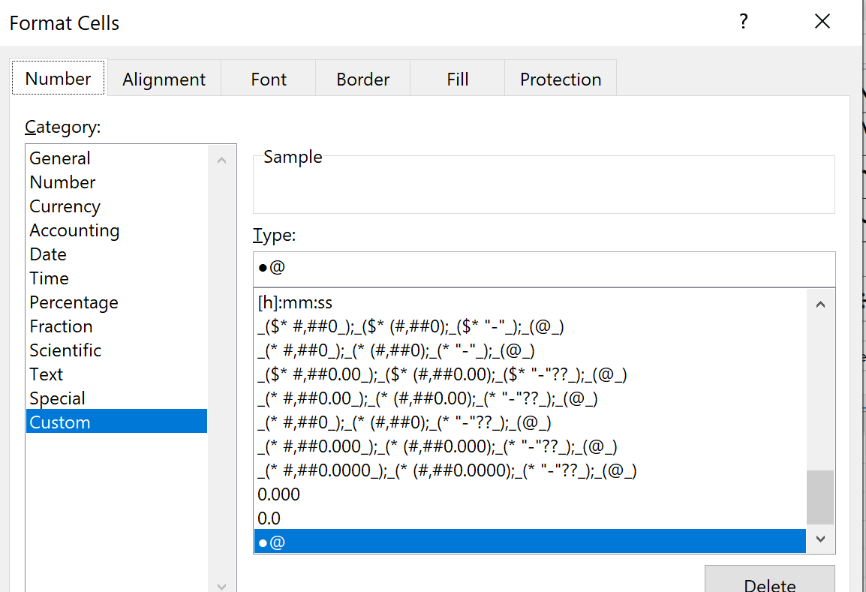
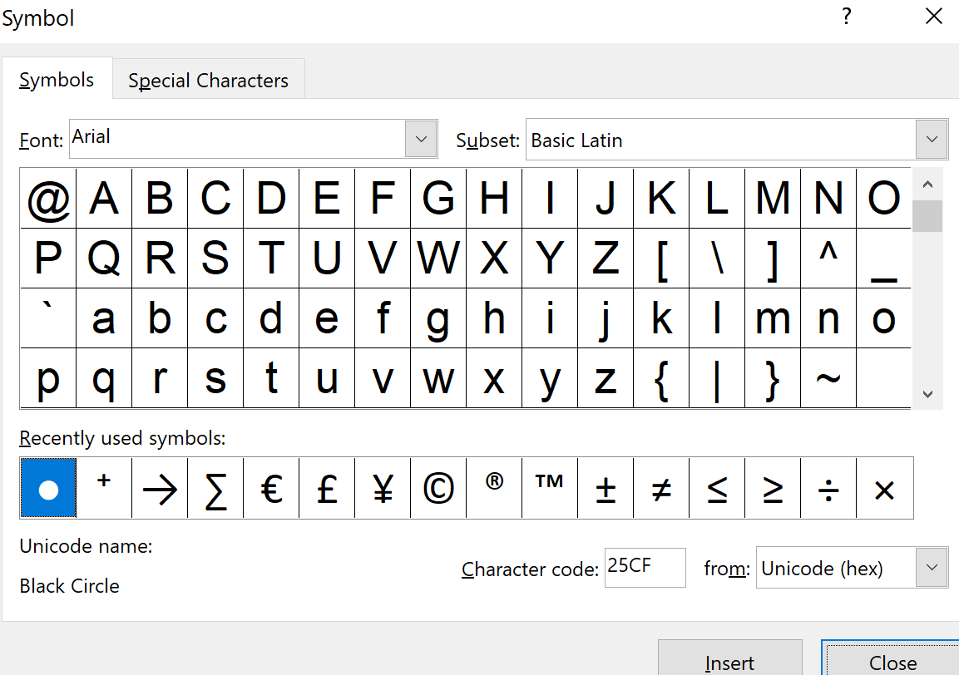

Home

●

Abc
123

Replace Errors
 |  |  |  | Replace errors with zero

17 | 9 | 6 | 4 |  | 1.063 | 0.900 | #DIV/0! | 0.571 | 16 | 10 | 0 | 7
8 | 15 | 18 | 8 |  | 0.727 | 1.667 | 0.900 | 0.800 | 11 | 9 | 20 | 10
2 | 16 | 18 | 14 |  | 0.400 | 0.941 | 0.900 | 0.737 | 5 | 17 | 20 | 19
18 | 3 | 1 | 9 |  | 2.000 | 0.158 | 0.083 | 0.750 | 9 | 19 | 12 | 12
14 | 7 | 12 | 9 |  | 0.737 | 0.700 | 12.000 | 1.125 | 19 | 10 | 1 | 8
17 | 8 | 14 | 14 |  | 1.308 | 1.600 | 1.400 | 0.737 | 13 | 5 | 10 | 19
20 | 18 | 15 | 19 |  | 1.333 | 18.000 | 1.667 | 3.167 | 15 | 1 | 9 | 6
2 | 12 | 2 | 20 |  | 2.000 | #DIV/0! | 1.000 | #DIV/0! | 1 | 0 | 2 | 0
19 | 12 | 5 | 7 |  | 3.167 | 2.000 | 0.833 | 2.333 | 6 | 6 | 6 | 3
17 | 3 | 13 | 1 |  | 1.308 | 0.231 | 0.765 | 0.143 | 13 | 13 | 17 | 7
17 | 9 | 14 | 20 |  | 0.944 | 3.000 | 7.000 | 1.250 | 18 | 3 | 2 | 16
19 | 0 | 12 | 1 |  | 2.111 | 0.000 | 0.750 | 0.063 | 9 | 14 | 16 | 16

 |  |  |  |  | Try on this range

Home

