Compare Lists
Back to Main Menu
 |  |  |  | CTRL+\

 |  | a | a
 |  | b | b
 |  | c | c
 |  | e | e
 |  | d | j
 |  | f | f
 |  | g | m

Alfano | Alfano | Alfano
Bai | Bai | Bai
Barile | Cohen | Barile
Bedard | Bedard | Bedard
James | Campbell | Dharam
John | Cao | Fidler
Capra | Capra | Capra
Chen | Chen | Chen
Chen | Chen | Ghanooni

Edit Fill Justify
Video provides a powerful way to help you prove your point. When you click Online Video, you can paste in the embed code for the video you want to add. You can also type a keyword to search online for the video that best fits your document.

Back to Main Menu

Edit Fill Justify (2)
Video provides a powerful way to
help you prove your point.
When you click Online Video,
you can paste in the embed
Back to Main Menu
code for the video you want to
add. You can also type a
keyword to search online for the
video that best fits your
document.

Align Decimals Numbers
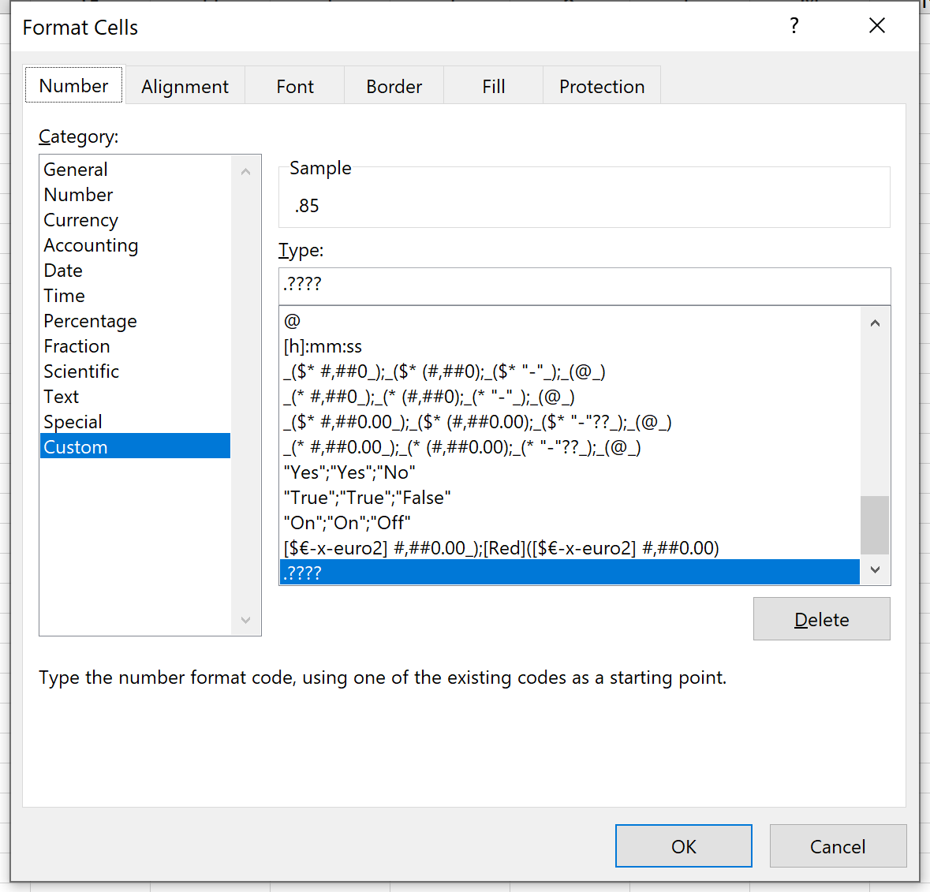
0.85 | 1
1.333 | 1
0.05 | 0
35 | 35
0.0777 | 0
33.33 | 33

Back to Main Menu

Font Case
Video provides a powerful way to help you prove your point
video provides a powerful way to help you prove your point | =LOWER(A2)

Video provides a powerful way to help you prove your point
VIDEO PROVIDES A POWERFUL WAY TO HELP YOU PROVE YOUR POINT | =UPPER(A5)

Video provides a powerful way to help you prove your point
Video Provides A Powerful Way To Help You Prove Your Point | =PROPER(A8)

Back to Main Menu

Format Million
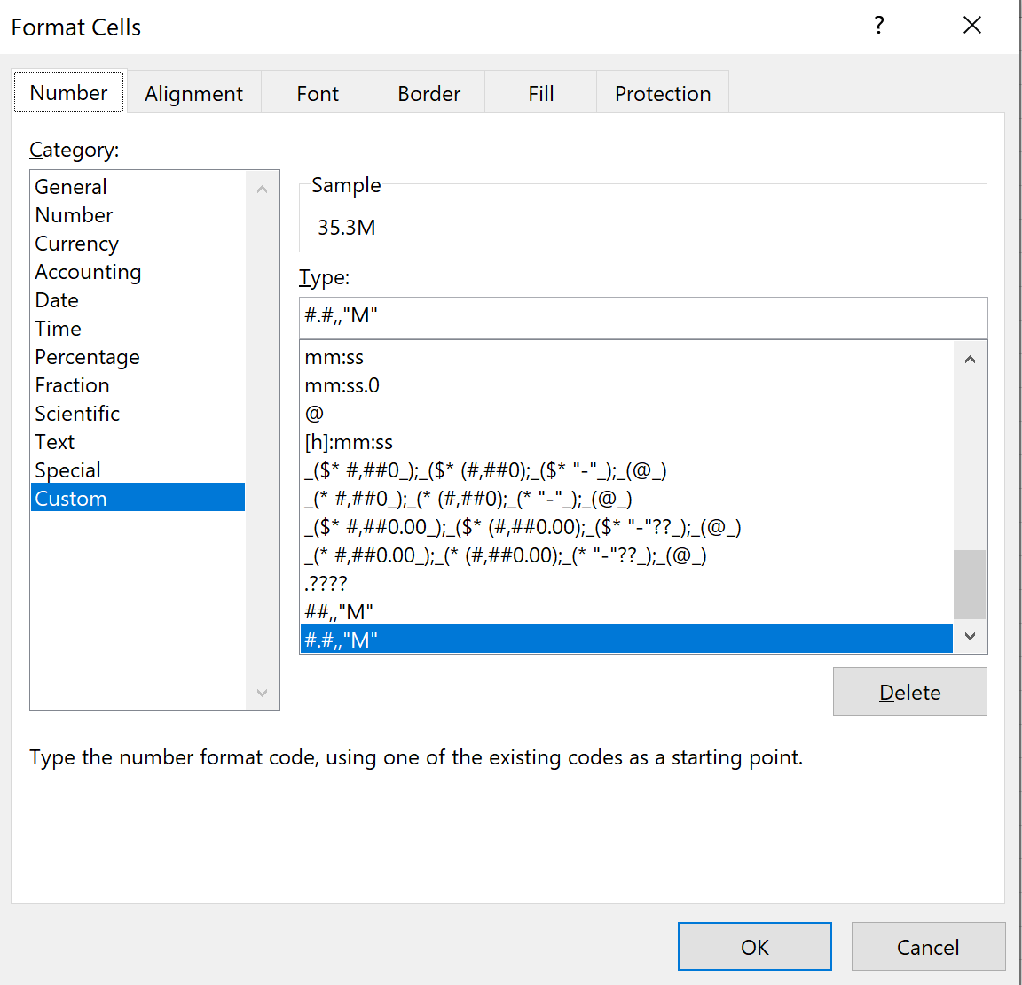
Format Million

35,333,444.00 | ##,.,"M" | 35.3M
35,833,444.00 | ##,.,"M" | 35.8M

35,333,444.00 | ##,,"M" | 35M
35,833,444.00 | ##,,"M" | 36M

Back to Main Menu

Formatting Dates and Time
Formatting Dates and Time
Symbol | Displays
m | month or minutes as a number without a leading 0
Back to Main Menu
mm | month or minutes as a number with a leading 0
mmm | month as abbreviated text (Jan, Feb, Mar, and so on)
mmmm | month as text (January, February, March, and so on)
d | day of the month as a number without a leading 0
dd | day of the month as a number with a leading 0
ddd | day of the week as abbreviated text (Sun, Mon, Tue, and so on)
dddd | day of the week as text (Sunday, Monday, Tuesday, and so on)
yy | year with two digits
yyyy | year with four digits
h | hour without a leading 0
hh | hour with a leading 0
s | seconds without a leading 0
ss | seconds with a leading 0
[ ] | When surrounding hours, minutes, or seconds place holders, displays hours greater than 24 or minutes and seconds greater than 60
AM am PM pm A a P p | Uses a 12-hour clock, displaying AM or PM as specified
\ | Forces display of the following character
. (period) | The decimal point.
"text" | Text within the quotes.
Examples
Category | Format | Value | Displayed As
Date | m/d/yy | 40409 | 2010-08-19
 | d-mmm-yy | 40409 | 19-Aug-10
Time | h:mm AM/PM | 0.754166667 | 18:06:00
 | [h]:mm:ss | 2.792673611 | 67:01:27

